1.Histogram
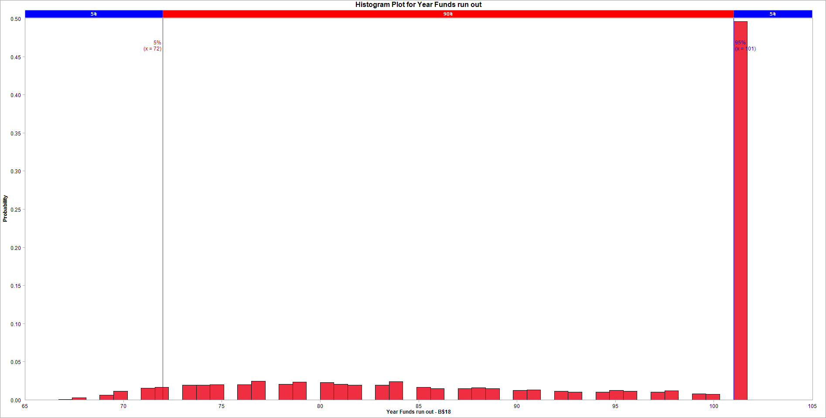
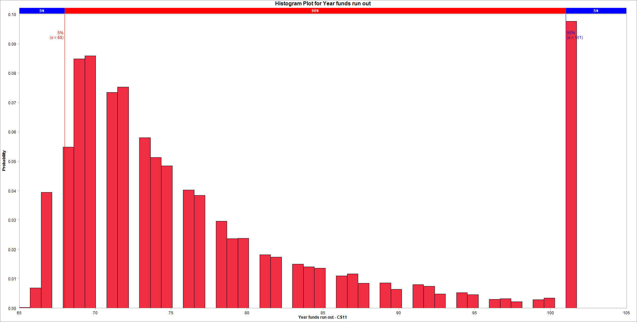
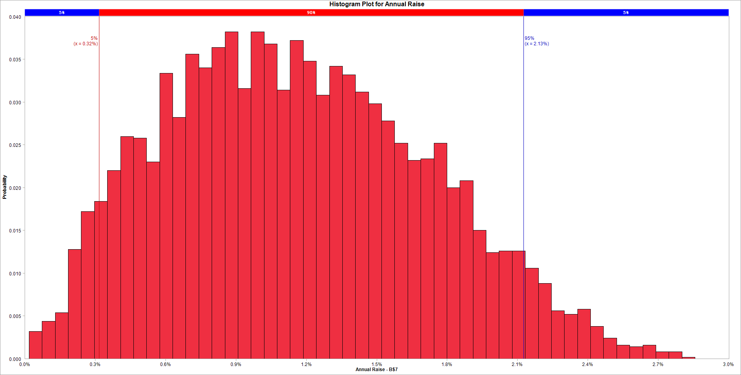
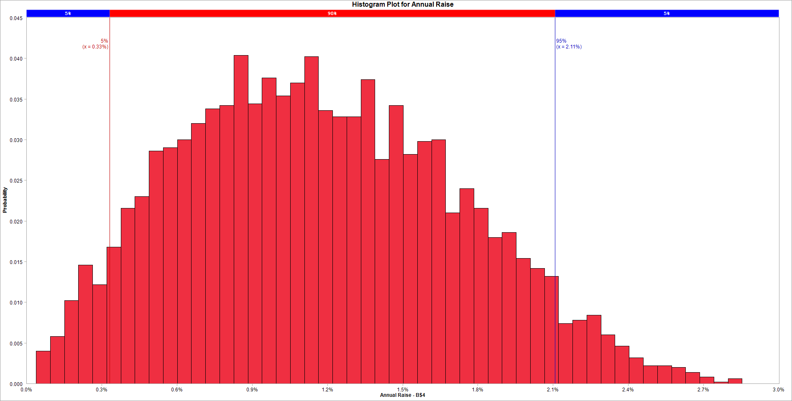
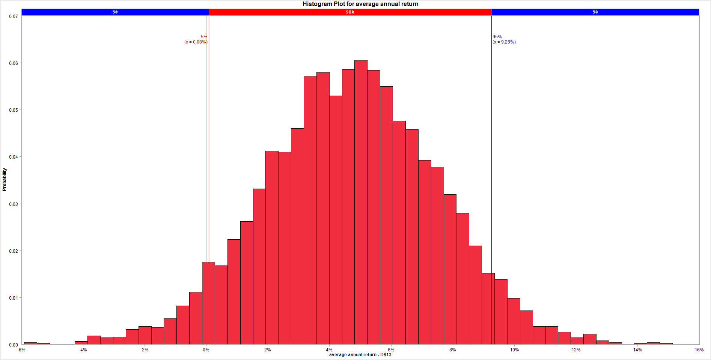
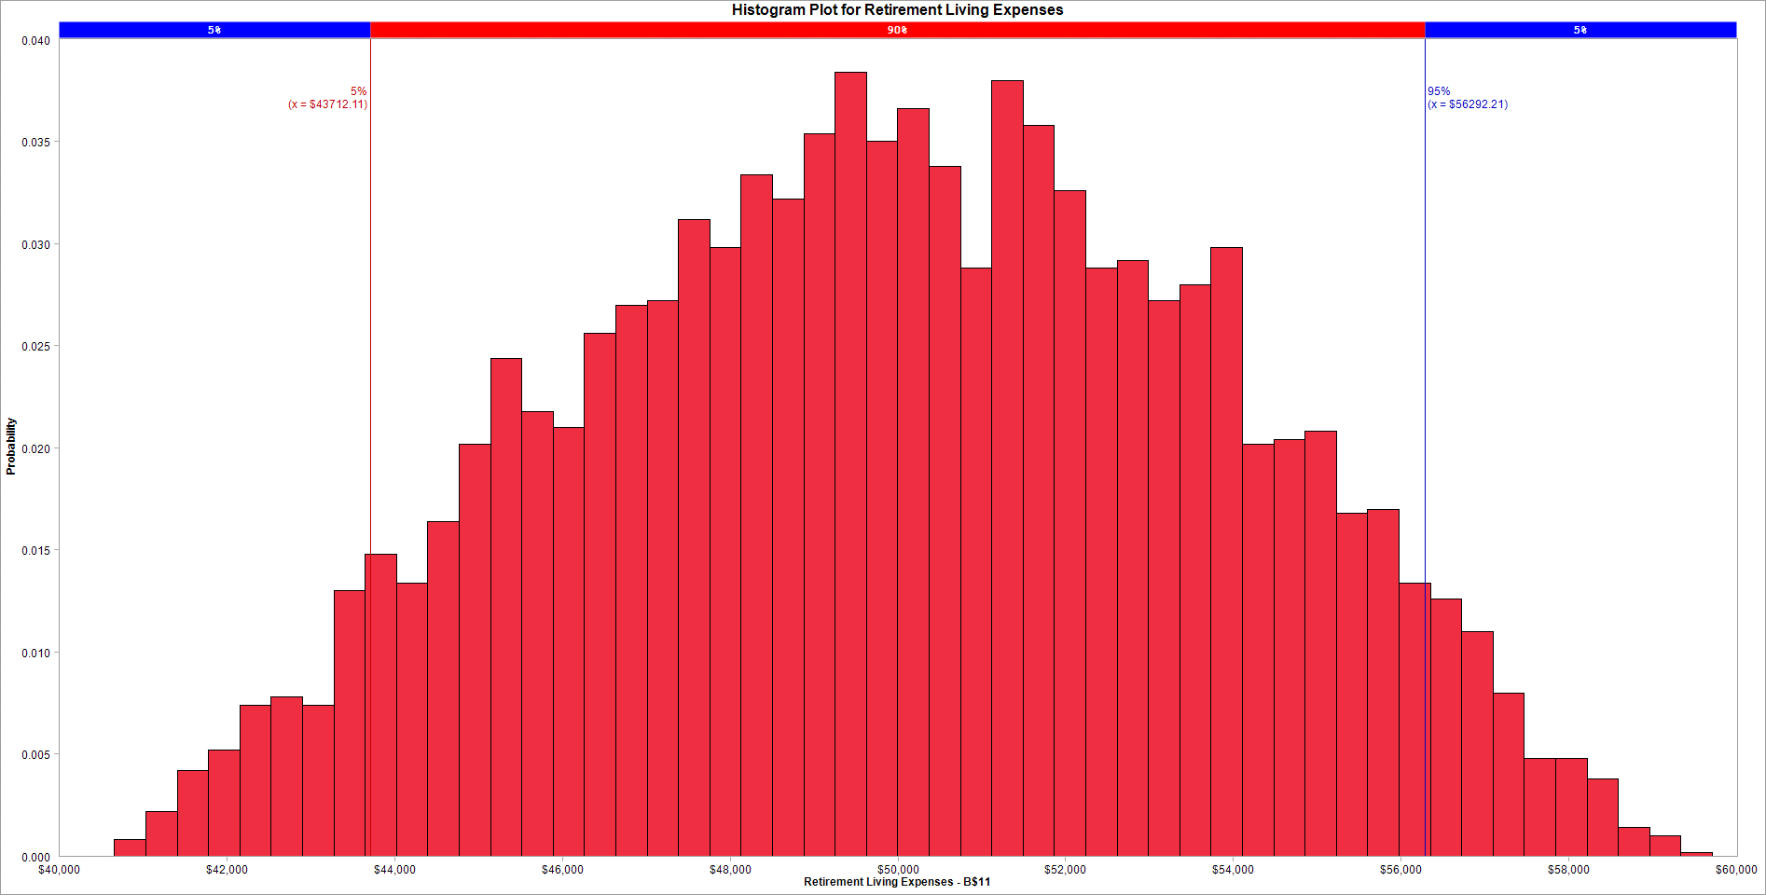
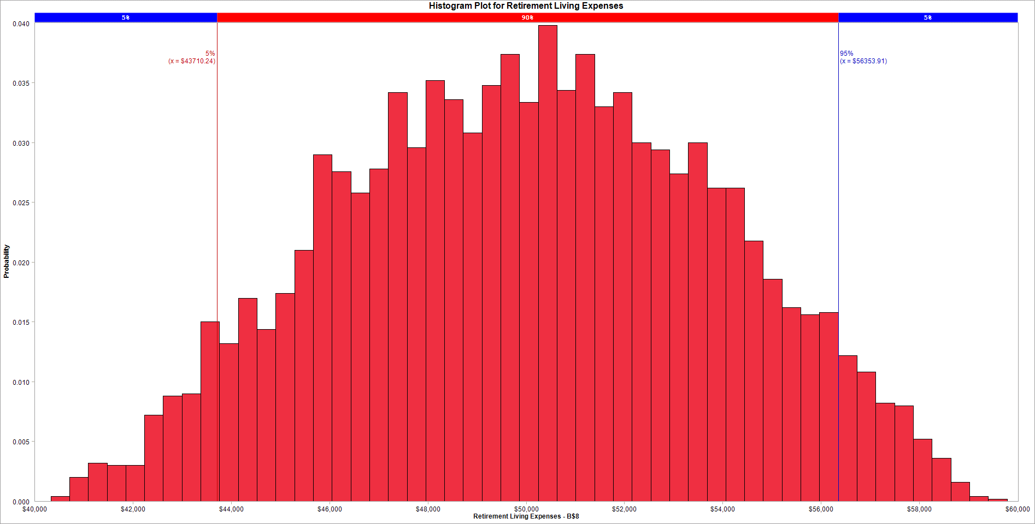

Variable Name | 1. Year Funds run out | Variable Name | 1. Year funds run out | Variable Name | 1. Annual Raise | Variable Name | 1. Annual Raise | Variable Name | 1. average annual return | Variable Name | 1. Retirement Living Expenses | Variable Name | 1. Retirement Living Expenses
Location | [Book1]Answer1 Model'!B$18 | Location | [Retirement2.xlsx]Sheet1'!C$11 | Location | [Book1]Answer1 Model'!B$7 | Location | [Retirement2.xlsx]Sheet1'!B$4 | Location | [Retirement2.xlsx]Sheet1'!D$13 | Location | [Book1]Answer1 Model'!B$11 | Location | [Retirement2.xlsx]Sheet1'!B$8
Variable Type | Output | Variable Type | Output | Variable Type | Input | Variable Type | Input | Variable Type | Input | Variable Type | Input | Variable Type | Input
Bar begins at | Fraction of samples | Bar begins at | Fraction of samples | Bar begins at | Fraction of samples | Bar begins at | Fraction of samples | Bar begins at | Fraction of samples | Bar begins at | Fraction of samples | Bar begins at | Fraction of samples
66 | 0.0002 | 65 | 0.0002 | 0.0001835814202 | 0.0032 | 0.00038476349732 | 0.004 | -0.059160761356 | 0.0004 | 40660.1888 | 0.0008 | 40328.6821 | 0.0004
66.7 | 0.0006 | 65.72 | 0.0068 | 0.00074009893777 | 0.0044 | 0.00094783670304 | 0.0058 | -0.05503268938 | 0.0002 | 41033.71437 | 0.0022 | 40710.155362 | 0.002
67.4 | 0.0026 | 66.44 | 0.0394 | 0.0012966164553 | 0.0054 | 0.0015109099088 | 0.0102 | -0.050904617405 | 0 | 41407.23994 | 0.0042 | 41091.628624 | 0.0032
68.1 | 0 | 67.16 | 0 | 0.0018531339729 | 0.0128 | 0.0020739831145 | 0.0146 | -0.046776545429 | 0 | 41780.76551 | 0.0052 | 41473.101886 | 0.003
68.8 | 0.0064 | 67.88 | 0.0548 | 0.0024096514905 | 0.0172 | 0.0026370563202 | 0.0122 | -0.042648473454 | 0.0006 | 42154.29108 | 0.0074 | 41854.575148 | 0.003
69.5 | 0.0112 | 68.6 | 0.0848 | 0.0029661690081 | 0.0184 | 0.003200129526 | 0.0168 | -0.038520401478 | 0.0018 | 42527.81665 | 0.0078 | 42236.04841 | 0.0072
70.2 | 0 | 69.32 | 0.0858 | 0.0035226865256 | 0.022 | 0.0037632027317 | 0.0216 | -0.034392329503 | 0.0014 | 42901.34222 | 0.0074 | 42617.521672 | 0.0088
70.9 | 0.0156 | 70.04 | 0 | 0.0040792040432 | 0.026 | 0.0043262759374 | 0.023 | -0.030264257527 | 0.0016 | 43274.86779 | 0.013 | 42998.994934 | 0.009
71.6 | 0.0164 | 70.76 | 0.0734 | 0.0046357215608 | 0.0258 | 0.0048893491431 | 0.0286 | -0.026136185552 | 0.0032 | 43648.39336 | 0.0148 | 43380.468196 | 0.015
72.3 | 0 | 71.48 | 0.0752 | 0.0051922390784 | 0.023 | 0.0054524223489 | 0.029 | -0.022008113576 | 0.0038 | 44021.91893 | 0.0134 | 43761.941458 | 0.0132
73 | 0.0196 | 72.2 | 0 | 0.005748756596 | 0.0334 | 0.0060154955546 | 0.03 | -0.017880041601 | 0.0036 | 44395.4445 | 0.0164 | 44143.41472 | 0.017
73.7 | 0.0194 | 72.92 | 0.058 | 0.0063052741135 | 0.0282 | 0.0065785687603 | 0.032 | -0.013751969625 | 0.0056 | 44768.97007 | 0.0202 | 44524.887982 | 0.0144
74.4 | 0.02 | 73.64 | 0.0512 | 0.0068617916311 | 0.0356 | 0.007141641966 | 0.0338 | -0.0096238976498 | 0.0082 | 45142.49564 | 0.0244 | 44906.361244 | 0.0174
75.1 | 0 | 74.36 | 0.0484 | 0.0074183091487 | 0.034 | 0.0077047151718 | 0.0342 | -0.0054958256744 | 0.0112 | 45516.02121 | 0.0218 | 45287.834506 | 0.021
75.8 | 0.0198 | 75.08 | 0 | 0.0079748266663 | 0.0364 | 0.0082677883775 | 0.0404 | -0.0013677536989 | 0.0176 | 45889.54678 | 0.021 | 45669.307768 | 0.029
76.5 | 0.0248 | 75.8 | 0.0402 | 0.0085313441838 | 0.0382 | 0.0088308615832 | 0.0344 | 0.0027603182766 | 0.0168 | 46263.07235 | 0.0256 | 46050.78103 | 0.0276
77.2 | 0 | 76.52 | 0.0384 | 0.0090878617014 | 0.0316 | 0.0093939347889 | 0.0376 | 0.0068883902521 | 0.0224 | 46636.59792 | 0.027 | 46432.254292 | 0.0258
77.9 | 0.0206 | 77.24 | 0 | 0.009644379219 | 0.0382 | 0.0099570079947 | 0.0354 | 0.011016462228 | 0.0262 | 47010.12349 | 0.0272 | 46813.727554 | 0.0278
78.6 | 0.0236 | 77.96 | 0.0296 | 0.010200896737 | 0.0368 | 0.0105200812 | 0.037 | 0.015144534203 | 0.0332 | 47383.64906 | 0.0312 | 47195.200816 | 0.0342
79.3 | 0 | 78.68 | 0.0236 | 0.010757414254 | 0.0314 | 0.011083154406 | 0.0402 | 0.019272606178 | 0.0412 | 47757.17463 | 0.0298 | 47576.674078 | 0.0296
80 | 0.0226 | 79.4 | 0.0238 | 0.011313931772 | 0.0372 | 0.011646227612 | 0.0336 | 0.023400678154 | 0.041 | 48130.7002 | 0.0334 | 47958.14734 | 0.0352
80.7 | 0.0208 | 80.12 | 0 | 0.011870449289 | 0.0348 | 0.012209300818 | 0.0328 | 0.027528750129 | 0.046 | 48504.22577 | 0.0322 | 48339.620602 | 0.0336
81.4 | 0.0192 | 80.84 | 0.0182 | 0.012426966807 | 0.0308 | 0.012772374023 | 0.0328 | 0.031656822105 | 0.0572 | 48877.75134 | 0.0354 | 48721.093864 | 0.0308
82.1 | 0 | 81.56 | 0.0174 | 0.012983484324 | 0.0342 | 0.013335447229 | 0.0374 | 0.03578489408 | 0.058 | 49251.27691 | 0.0384 | 49102.567126 | 0.0348
82.8 | 0.0192 | 82.28 | 0 | 0.013540001842 | 0.0332 | 0.013898520435 | 0.0276 | 0.039912966056 | 0.053 | 49624.80248 | 0.035 | 49484.040388 | 0.0374
83.5 | 0.0242 | 83 | 0.015 | 0.01409651936 | 0.0312 | 0.01446159364 | 0.0342 | 0.044041038031 | 0.0586 | 49998.32805 | 0.0366 | 49865.51365 | 0.0334
84.2 | 0 | 83.72 | 0.014 | 0.014653036877 | 0.0298 | 0.015024666846 | 0.0282 | 0.048169110007 | 0.0606 | 50371.85362 | 0.0338 | 50246.986912 | 0.0398
84.9 | 0.0168 | 84.44 | 0.0136 | 0.015209554395 | 0.0278 | 0.015587740052 | 0.0298 | 0.052297181982 | 0.0584 | 50745.37919 | 0.0288 | 50628.460174 | 0.0344
85.6 | 0.0148 | 85.16 | 0 | 0.015766071912 | 0.0252 | 0.016150813258 | 0.03 | 0.056425253958 | 0.055 | 51118.90476 | 0.038 | 51009.933436 | 0.0374
86.3 | 0 | 85.88 | 0.011 | 0.01632258943 | 0.0232 | 0.016713886463 | 0.021 | 0.060553325933 | 0.0476 | 51492.43033 | 0.0358 | 51391.406698 | 0.033
87 | 0.0148 | 86.6 | 0.0116 | 0.016879106947 | 0.0234 | 0.017276959669 | 0.024 | 0.064681397909 | 0.0458 | 51865.9559 | 0.0326 | 51772.87996 | 0.0342
87.7 | 0.016 | 87.32 | 0.0084 | 0.017435624465 | 0.0252 | 0.017840032875 | 0.0216 | 0.068809469884 | 0.0392 | 52239.48147 | 0.0288 | 52154.353222 | 0.03
88.4 | 0.015 | 88.04 | 0 | 0.017992141983 | 0.02 | 0.018403106081 | 0.018 | 0.07293754186 | 0.0378 | 52613.00704 | 0.0292 | 52535.826484 | 0.0294
89.1 | 0 | 88.76 | 0.0086 | 0.0185486595 | 0.0208 | 0.018966179286 | 0.0186 | 0.077065613835 | 0.032 | 52986.53261 | 0.0272 | 52917.299746 | 0.0274
89.8 | 0.0124 | 89.48 | 0.0064 | 0.019105177018 | 0.015 | 0.019529252492 | 0.0154 | 0.081193685811 | 0.028 | 53360.05818 | 0.028 | 53298.773008 | 0.03
90.5 | 0.0132 | 90.2 | 0 | 0.019661694535 | 0.0124 | 0.020092325698 | 0.0142 | 0.085321757786 | 0.021 | 53733.58375 | 0.0298 | 53680.24627 | 0.0262
91.2 | 0 | 90.92 | 0.008 | 0.020218212053 | 0.0126 | 0.020655398903 | 0.0132 | 0.089449829762 | 0.0152 | 54107.10932 | 0.0202 | 54061.719532 | 0.0262
91.9 | 0.0112 | 91.64 | 0.0074 | 0.02077472957 | 0.0126 | 0.021218472109 | 0.0074 | 0.093577901737 | 0.0138 | 54480.63489 | 0.0204 | 54443.192794 | 0.0218
92.6 | 0.0104 | 92.36 | 0.0048 | 0.021331247088 | 0.0106 | 0.021781545315 | 0.0078 | 0.097705973712 | 0.0098 | 54854.16046 | 0.0208 | 54824.666056 | 0.0186
93.3 | 0 | 93.08 | 0 | 0.021887764606 | 0.0088 | 0.022344618521 | 0.0084 | 0.10183404569 | 0.0072 | 55227.68603 | 0.0168 | 55206.139318 | 0.0162
94 | 0.0104 | 93.8 | 0.0052 | 0.022444282123 | 0.0056 | 0.022907691726 | 0.006 | 0.10596211766 | 0.0038 | 55601.2116 | 0.017 | 55587.61258 | 0.0156
94.7 | 0.0128 | 94.52 | 0.0046 | 0.023000799641 | 0.0052 | 0.023470764932 | 0.0046 | 0.11009018964 | 0.0038 | 55974.73717 | 0.0134 | 55969.085842 | 0.0158
95.4 | 0.0116 | 95.24 | 0 | 0.023557317158 | 0.0058 | 0.024033838138 | 0.0032 | 0.11421826161 | 0.0026 | 56348.26274 | 0.0126 | 56350.559104 | 0.0122
96.1 | 0 | 95.96 | 0.003 | 0.024113834676 | 0.0038 | 0.024596911344 | 0.0022 | 0.11834633359 | 0.0014 | 56721.78831 | 0.011 | 56732.032366 | 0.0108
96.8 | 0.01 | 96.68 | 0.0032 | 0.024670352194 | 0.0024 | 0.025159984549 | 0.0022 | 0.12247440557 | 0.0022 | 57095.31388 | 0.008 | 57113.505628 | 0.0082
97.5 | 0.012 | 97.4 | 0.0022 | 0.025226869711 | 0.0016 | 0.025723057755 | 0.002 | 0.12660247754 | 0.0008 | 57468.83945 | 0.0048 | 57494.97889 | 0.008
98.2 | 0 | 98.12 | 0 | 0.025783387229 | 0.0014 | 0.026286130961 | 0.0014 | 0.13073054952 | 0.0004 | 57842.36502 | 0.0048 | 57876.452152 | 0.0052
98.9 | 0.008 | 98.84 | 0.0028 | 0.026339904746 | 0.0016 | 0.026849204166 | 0.0008 | 0.13485862149 | 0 | 58215.89059 | 0.0038 | 58257.925414 | 0.0036
99.6 | 0.0076 | 99.56 | 0.0034 | 0.026896422264 | 0.0008 | 0.027412277372 | 0.0002 | 0.13898669347 | 0.0002 | 58589.41616 | 0.0014 | 58639.398676 | 0.0016
100.3 | 0 | 100.28 | 0 | 0.027452939781 | 0.0008 | 0.027975350578 | 0.0006 | 0.14311476544 | 0.0004 | 58962.94173 | 0.001 | 59020.871938 | 0.0004
101 | 0.4962 | 101 | 0.0976 | 0.028009457299 | 0.0002 | 0.028538423784 | 0 | 0.14724283742 | 0.0002 | 59336.4673 | 0.0002 | 59402.3452 | 0.0002
101.7 | 0 | 101.72 | 0 | 0.028565974817 | 0 | 0.029101496989 | 0 | 0.15137090939 | 0 | 59709.99287 | 0 | 59783.818462 | 0

2.Pareto
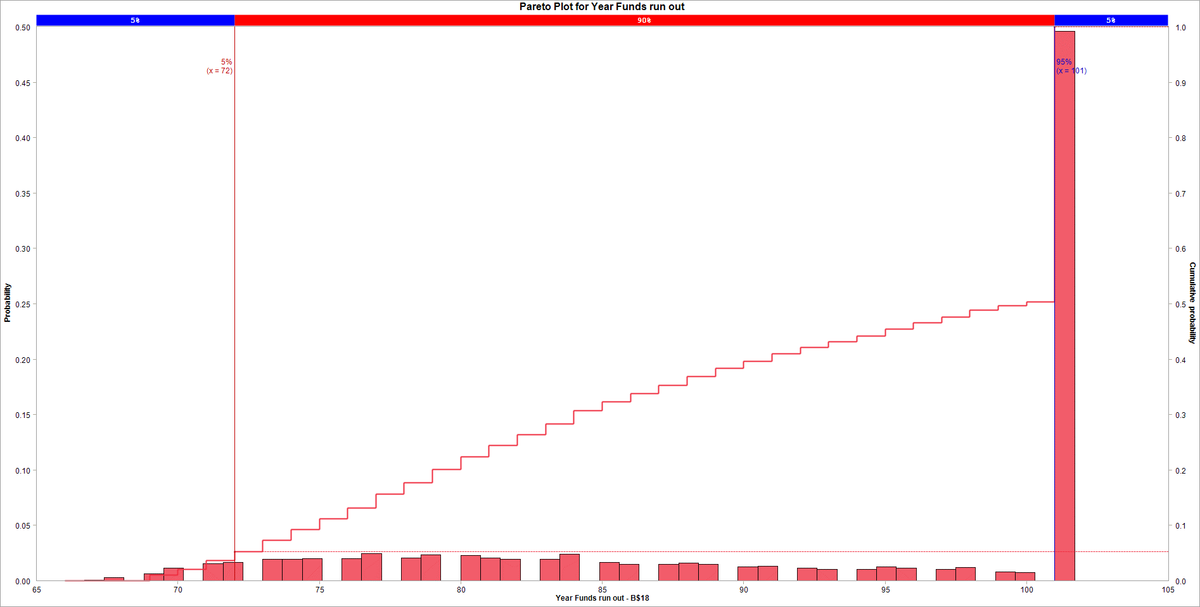
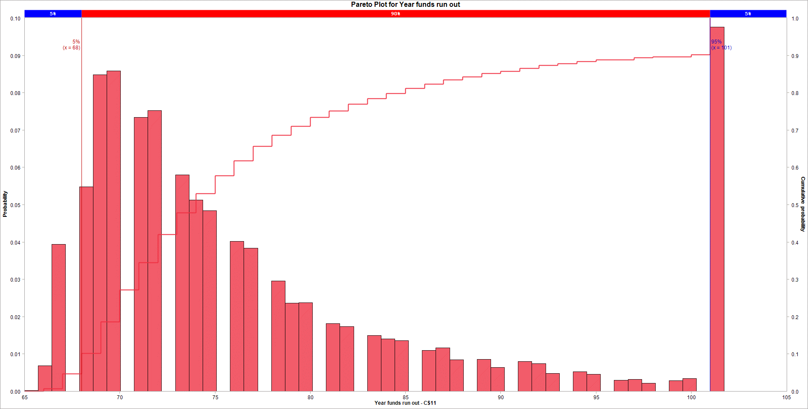
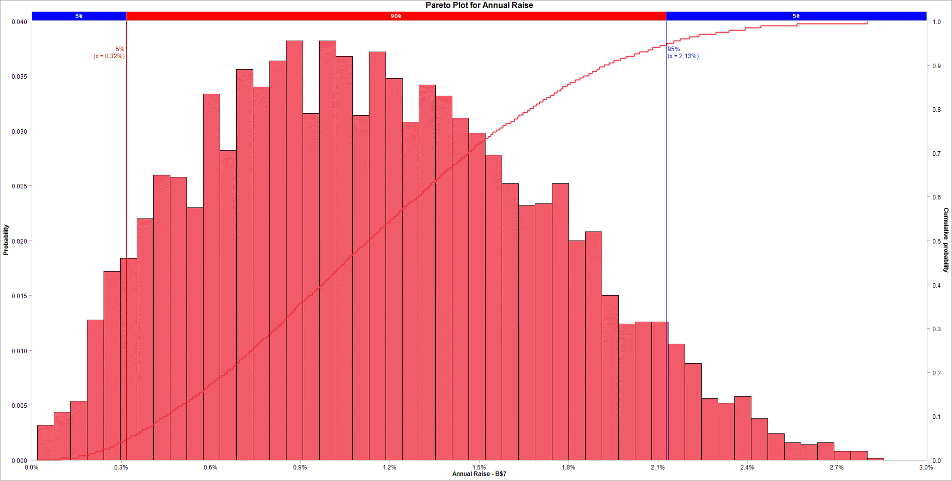
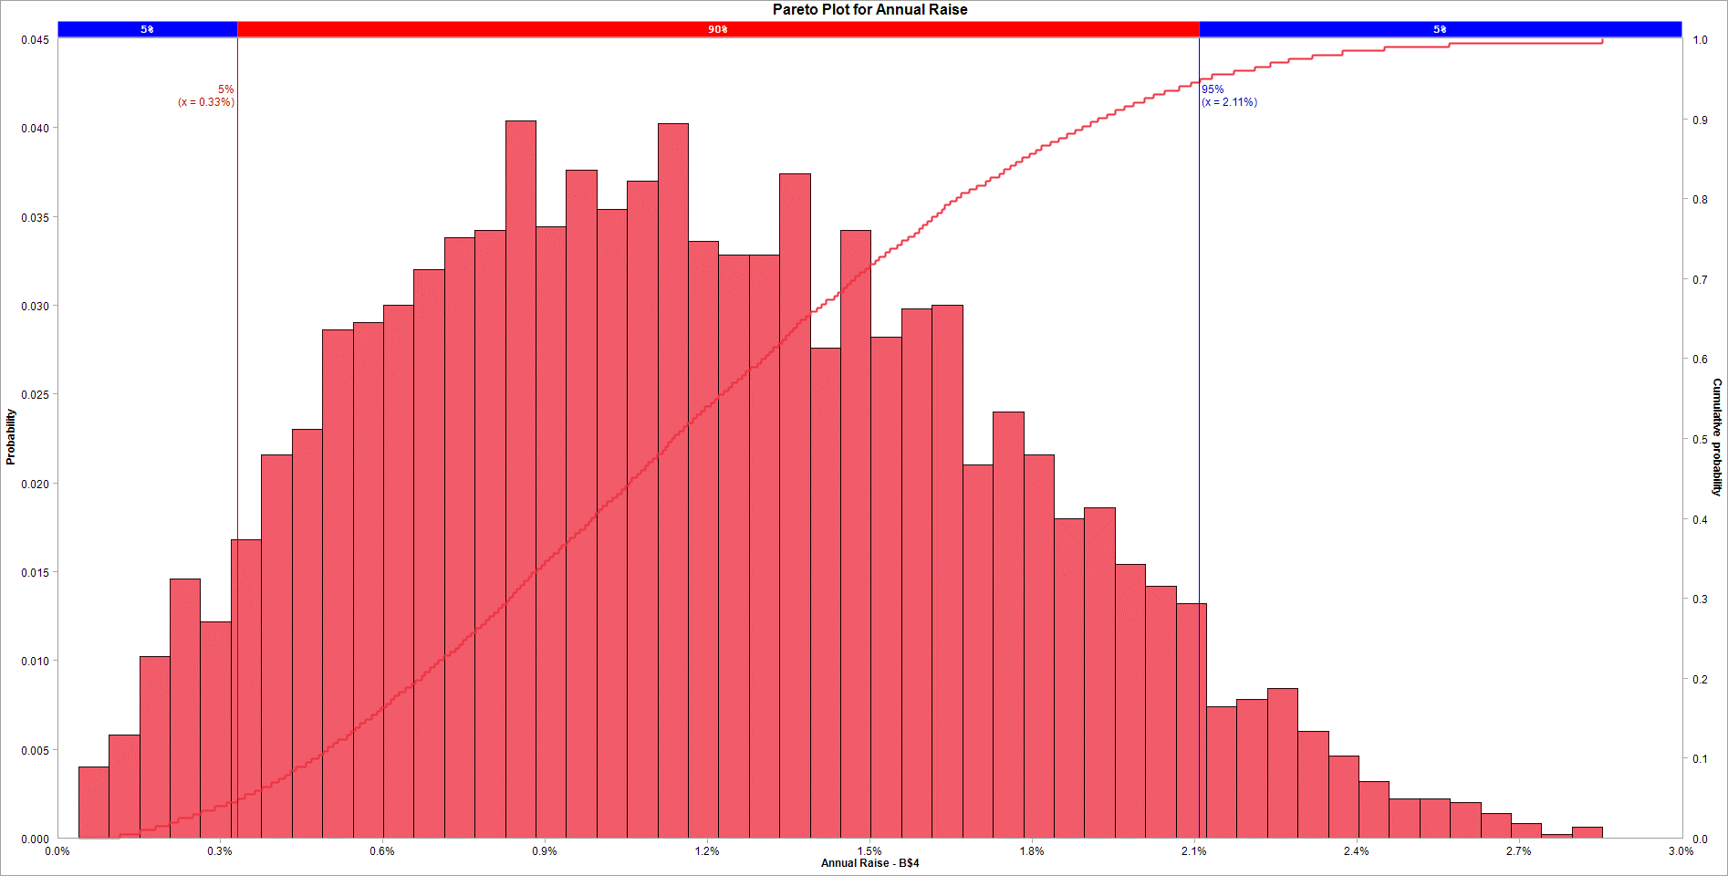
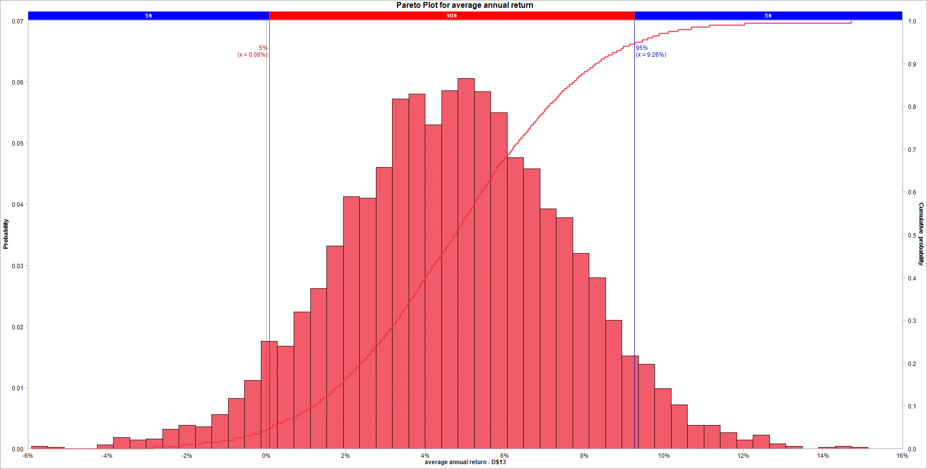
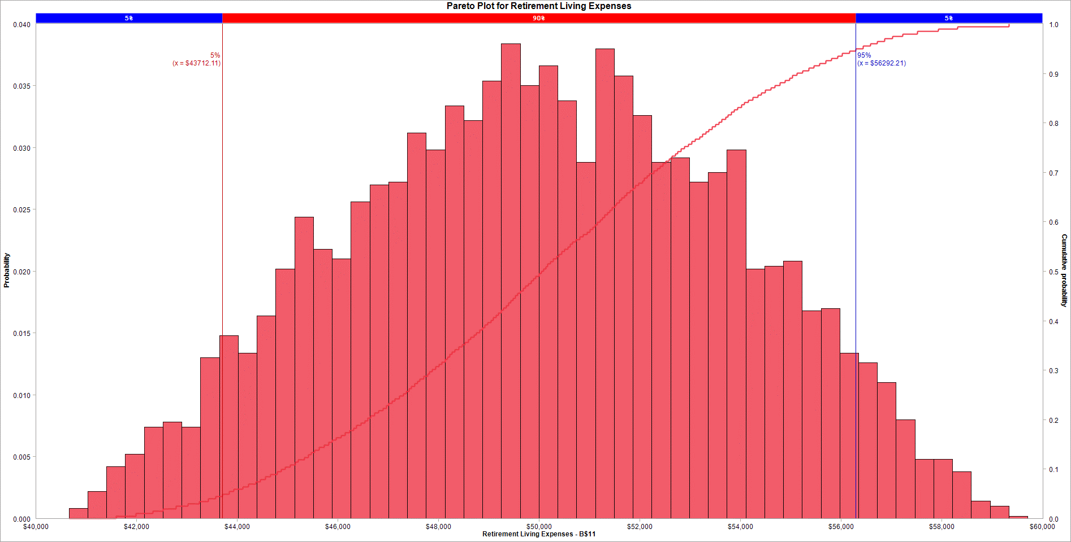
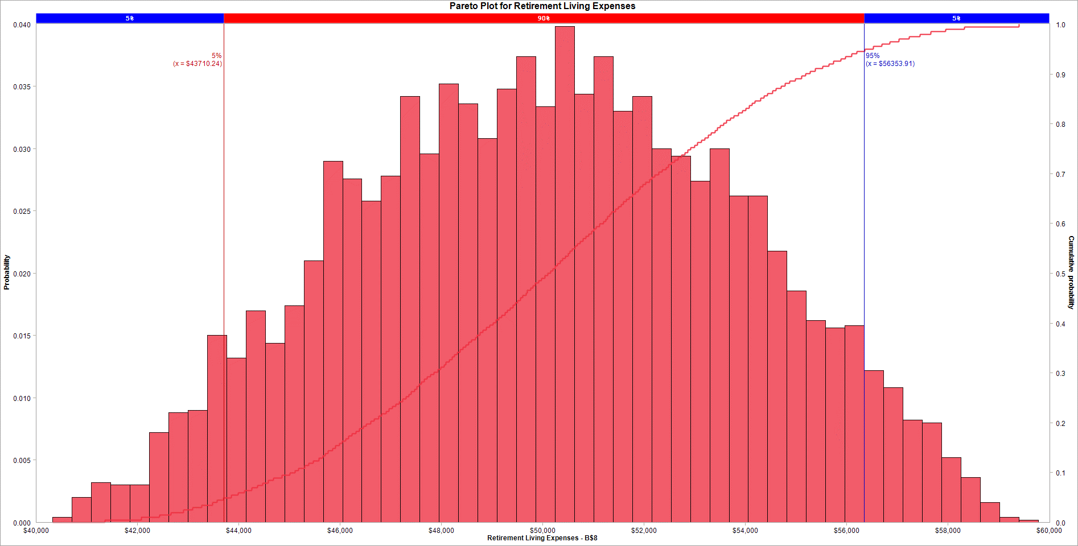

Variable Name | 1. Year Funds run out |  | Variable Name | 1. Year funds run out |  | Variable Name | 1. Annual Raise |  | Variable Name | 1. Annual Raise |  | Variable Name | 1. average annual return |  | Variable Name | 1. Retirement Living Expenses |  | Variable Name | 1. Retirement Living Expenses
Location | [Book1]Answer1 Model'!B$18 |  | Location | [Retirement2.xlsx]Sheet1'!C$11 |  | Location | [Book1]Answer1 Model'!B$7 |  | Location | [Retirement2.xlsx]Sheet1'!B$4 |  | Location | [Retirement2.xlsx]Sheet1'!D$13 |  | Location | [Book1]Answer1 Model'!B$11 |  | Location | [Retirement2.xlsx]Sheet1'!B$8
Variable Type | Output |  | Variable Type | Output |  | Variable Type | Input |  | Variable Type | Input |  | Variable Type | Input |  | Variable Type | Input |  | Variable Type | Input
Bar begins at | Fraction of samples |  | Bar begins at | Fraction of samples |  | Bar begins at | Fraction of samples |  | Bar begins at | Fraction of samples |  | Bar begins at | Fraction of samples |  | Bar begins at | Fraction of samples |  | Bar begins at | Fraction of samples
66 | 0.0002 |  | 65 | 0.0002 |  | 0.0001835814202 | 0.0032 |  | 0.00038476349732 | 0.004 |  | -0.059160761356 | 0.0004 |  | 40660.1888 | 0.0008 |  | 40328.6821 | 0.0004
66.7 | 0.0006 |  | 65.72 | 0.0068 |  | 0.00074009893777 | 0.0044 |  | 0.00094783670304 | 0.0058 |  | -0.05503268938 | 0.0002 |  | 41033.71437 | 0.0022 |  | 40710.155362 | 0.002
67.4 | 0.0026 |  | 66.44 | 0.0394 |  | 0.0012966164553 | 0.0054 |  | 0.0015109099088 | 0.0102 |  | -0.050904617405 | 0 |  | 41407.23994 | 0.0042 |  | 41091.628624 | 0.0032
68.1 | 0 |  | 67.16 | 0 |  | 0.0018531339729 | 0.0128 |  | 0.0020739831145 | 0.0146 |  | -0.046776545429 | 0 |  | 41780.76551 | 0.0052 |  | 41473.101886 | 0.003
68.8 | 0.0064 |  | 67.88 | 0.0548 |  | 0.0024096514905 | 0.0172 |  | 0.0026370563202 | 0.0122 |  | -0.042648473454 | 0.0006 |  | 42154.29108 | 0.0074 |  | 41854.575148 | 0.003
69.5 | 0.0112 |  | 68.6 | 0.0848 |  | 0.0029661690081 | 0.0184 |  | 0.003200129526 | 0.0168 |  | -0.038520401478 | 0.0018 |  | 42527.81665 | 0.0078 |  | 42236.04841 | 0.0072
70.2 | 0 |  | 69.32 | 0.0858 |  | 0.0035226865256 | 0.022 |  | 0.0037632027317 | 0.0216 |  | -0.034392329503 | 0.0014 |  | 42901.34222 | 0.0074 |  | 42617.521672 | 0.0088
70.9 | 0.0156 |  | 70.04 | 0 |  | 0.0040792040432 | 0.026 |  | 0.0043262759374 | 0.023 |  | -0.030264257527 | 0.0016 |  | 43274.86779 | 0.013 |  | 42998.994934 | 0.009
71.6 | 0.0164 |  | 70.76 | 0.0734 |  | 0.0046357215608 | 0.0258 |  | 0.0048893491431 | 0.0286 |  | -0.026136185552 | 0.0032 |  | 43648.39336 | 0.0148 |  | 43380.468196 | 0.015
72.3 | 0 |  | 71.48 | 0.0752 |  | 0.0051922390784 | 0.023 |  | 0.0054524223489 | 0.029 |  | -0.022008113576 | 0.0038 |  | 44021.91893 | 0.0134 |  | 43761.941458 | 0.0132
73 | 0.0196 |  | 72.2 | 0 |  | 0.005748756596 | 0.0334 |  | 0.0060154955546 | 0.03 |  | -0.017880041601 | 0.0036 |  | 44395.4445 | 0.0164 |  | 44143.41472 | 0.017
73.7 | 0.0194 |  | 72.92 | 0.058 |  | 0.0063052741135 | 0.0282 |  | 0.0065785687603 | 0.032 |  | -0.013751969625 | 0.0056 |  | 44768.97007 | 0.0202 |  | 44524.887982 | 0.0144
74.4 | 0.02 |  | 73.64 | 0.0512 |  | 0.0068617916311 | 0.0356 |  | 0.007141641966 | 0.0338 |  | -0.0096238976498 | 0.0082 |  | 45142.49564 | 0.0244 |  | 44906.361244 | 0.0174
75.1 | 0 |  | 74.36 | 0.0484 |  | 0.0074183091487 | 0.034 |  | 0.0077047151718 | 0.0342 |  | -0.0054958256744 | 0.0112 |  | 45516.02121 | 0.0218 |  | 45287.834506 | 0.021
75.8 | 0.0198 |  | 75.08 | 0 |  | 0.0079748266663 | 0.0364 |  | 0.0082677883775 | 0.0404 |  | -0.0013677536989 | 0.0176 |  | 45889.54678 | 0.021 |  | 45669.307768 | 0.029
76.5 | 0.0248 |  | 75.8 | 0.0402 |  | 0.0085313441838 | 0.0382 |  | 0.0088308615832 | 0.0344 |  | 0.0027603182766 | 0.0168 |  | 46263.07235 | 0.0256 |  | 46050.78103 | 0.0276
77.2 | 0 |  | 76.52 | 0.0384 |  | 0.0090878617014 | 0.0316 |  | 0.0093939347889 | 0.0376 |  | 0.0068883902521 | 0.0224 |  | 46636.59792 | 0.027 |  | 46432.254292 | 0.0258
77.9 | 0.0206 |  | 77.24 | 0 |  | 0.009644379219 | 0.0382 |  | 0.0099570079947 | 0.0354 |  | 0.011016462228 | 0.0262 |  | 47010.12349 | 0.0272 |  | 46813.727554 | 0.0278
78.6 | 0.0236 |  | 77.96 | 0.0296 |  | 0.010200896737 | 0.0368 |  | 0.0105200812 | 0.037 |  | 0.015144534203 | 0.0332 |  | 47383.64906 | 0.0312 |  | 47195.200816 | 0.0342
79.3 | 0 |  | 78.68 | 0.0236 |  | 0.010757414254 | 0.0314 |  | 0.011083154406 | 0.0402 |  | 0.019272606178 | 0.0412 |  | 47757.17463 | 0.0298 |  | 47576.674078 | 0.0296
80 | 0.0226 |  | 79.4 | 0.0238 |  | 0.011313931772 | 0.0372 |  | 0.011646227612 | 0.0336 |  | 0.023400678154 | 0.041 |  | 48130.7002 | 0.0334 |  | 47958.14734 | 0.0352
80.7 | 0.0208 |  | 80.12 | 0 |  | 0.011870449289 | 0.0348 |  | 0.012209300818 | 0.0328 |  | 0.027528750129 | 0.046 |  | 48504.22577 | 0.0322 |  | 48339.620602 | 0.0336
81.4 | 0.0192 |  | 80.84 | 0.0182 |  | 0.012426966807 | 0.0308 |  | 0.012772374023 | 0.0328 |  | 0.031656822105 | 0.0572 |  | 48877.75134 | 0.0354 |  | 48721.093864 | 0.0308
82.1 | 0 |  | 81.56 | 0.0174 |  | 0.012983484324 | 0.0342 |  | 0.013335447229 | 0.0374 |  | 0.03578489408 | 0.058 |  | 49251.27691 | 0.0384 |  | 49102.567126 | 0.0348
82.8 | 0.0192 |  | 82.28 | 0 |  | 0.013540001842 | 0.0332 |  | 0.013898520435 | 0.0276 |  | 0.039912966056 | 0.053 |  | 49624.80248 | 0.035 |  | 49484.040388 | 0.0374
83.5 | 0.0242 |  | 83 | 0.015 |  | 0.01409651936 | 0.0312 |  | 0.01446159364 | 0.0342 |  | 0.044041038031 | 0.0586 |  | 49998.32805 | 0.0366 |  | 49865.51365 | 0.0334
84.2 | 0 |  | 83.72 | 0.014 |  | 0.014653036877 | 0.0298 |  | 0.015024666846 | 0.0282 |  | 0.048169110007 | 0.0606 |  | 50371.85362 | 0.0338 |  | 50246.986912 | 0.0398
84.9 | 0.0168 |  | 84.44 | 0.0136 |  | 0.015209554395 | 0.0278 |  | 0.015587740052 | 0.0298 |  | 0.052297181982 | 0.0584 |  | 50745.37919 | 0.0288 |  | 50628.460174 | 0.0344
85.6 | 0.0148 |  | 85.16 | 0 |  | 0.015766071912 | 0.0252 |  | 0.016150813258 | 0.03 |  | 0.056425253958 | 0.055 |  | 51118.90476 | 0.038 |  | 51009.933436 | 0.0374
86.3 | 0 |  | 85.88 | 0.011 |  | 0.01632258943 | 0.0232 |  | 0.016713886463 | 0.021 |  | 0.060553325933 | 0.0476 |  | 51492.43033 | 0.0358 |  | 51391.406698 | 0.033
87 | 0.0148 |  | 86.6 | 0.0116 |  | 0.016879106947 | 0.0234 |  | 0.017276959669 | 0.024 |  | 0.064681397909 | 0.0458 |  | 51865.9559 | 0.0326 |  | 51772.87996 | 0.0342
87.7 | 0.016 |  | 87.32 | 0.0084 |  | 0.017435624465 | 0.0252 |  | 0.017840032875 | 0.0216 |  | 0.068809469884 | 0.0392 |  | 52239.48147 | 0.0288 |  | 52154.353222 | 0.03
88.4 | 0.015 |  | 88.04 | 0 |  | 0.017992141983 | 0.02 |  | 0.018403106081 | 0.018 |  | 0.07293754186 | 0.0378 |  | 52613.00704 | 0.0292 |  | 52535.826484 | 0.0294
89.1 | 0 |  | 88.76 | 0.0086 |  | 0.0185486595 | 0.0208 |  | 0.018966179286 | 0.0186 |  | 0.077065613835 | 0.032 |  | 52986.53261 | 0.0272 |  | 52917.299746 | 0.0274
89.8 | 0.0124 |  | 89.48 | 0.0064 |  | 0.019105177018 | 0.015 |  | 0.019529252492 | 0.0154 |  | 0.081193685811 | 0.028 |  | 53360.05818 | 0.028 |  | 53298.773008 | 0.03
90.5 | 0.0132 |  | 90.2 | 0 |  | 0.019661694535 | 0.0124 |  | 0.020092325698 | 0.0142 |  | 0.085321757786 | 0.021 |  | 53733.58375 | 0.0298 |  | 53680.24627 | 0.0262
91.2 | 0 |  | 90.92 | 0.008 |  | 0.020218212053 | 0.0126 |  | 0.020655398903 | 0.0132 |  | 0.089449829762 | 0.0152 |  | 54107.10932 | 0.0202 |  | 54061.719532 | 0.0262
91.9 | 0.0112 |  | 91.64 | 0.0074 |  | 0.02077472957 | 0.0126 |  | 0.021218472109 | 0.0074 |  | 0.093577901737 | 0.0138 |  | 54480.63489 | 0.0204 |  | 54443.192794 | 0.0218
92.6 | 0.0104 |  | 92.36 | 0.0048 |  | 0.021331247088 | 0.0106 |  | 0.021781545315 | 0.0078 |  | 0.097705973712 | 0.0098 |  | 54854.16046 | 0.0208 |  | 54824.666056 | 0.0186
93.3 | 0 |  | 93.08 | 0 |  | 0.021887764606 | 0.0088 |  | 0.022344618521 | 0.0084 |  | 0.10183404569 | 0.0072 |  | 55227.68603 | 0.0168 |  | 55206.139318 | 0.0162
94 | 0.0104 |  | 93.8 | 0.0052 |  | 0.022444282123 | 0.0056 |  | 0.022907691726 | 0.006 |  | 0.10596211766 | 0.0038 |  | 55601.2116 | 0.017 |  | 55587.61258 | 0.0156
94.7 | 0.0128 |  | 94.52 | 0.0046 |  | 0.023000799641 | 0.0052 |  | 0.023470764932 | 0.0046 |  | 0.11009018964 | 0.0038 |  | 55974.73717 | 0.0134 |  | 55969.085842 | 0.0158
95.4 | 0.0116 |  | 95.24 | 0 |  | 0.023557317158 | 0.0058 |  | 0.024033838138 | 0.0032 |  | 0.11421826161 | 0.0026 |  | 56348.26274 | 0.0126 |  | 56350.559104 | 0.0122
96.1 | 0 |  | 95.96 | 0.003 |  | 0.024113834676 | 0.0038 |  | 0.024596911344 | 0.0022 |  | 0.11834633359 | 0.0014 |  | 56721.78831 | 0.011 |  | 56732.032366 | 0.0108
96.8 | 0.01 |  | 96.68 | 0.0032 |  | 0.024670352194 | 0.0024 |  | 0.025159984549 | 0.0022 |  | 0.12247440557 | 0.0022 |  | 57095.31388 | 0.008 |  | 57113.505628 | 0.0082
97.5 | 0.012 |  | 97.4 | 0.0022 |  | 0.025226869711 | 0.0016 |  | 0.025723057755 | 0.002 |  | 0.12660247754 | 0.0008 |  | 57468.83945 | 0.0048 |  | 57494.97889 | 0.008
98.2 | 0 |  | 98.12 | 0 |  | 0.025783387229 | 0.0014 |  | 0.026286130961 | 0.0014 |  | 0.13073054952 | 0.0004 |  | 57842.36502 | 0.0048 |  | 57876.452152 | 0.0052
98.9 | 0.008 |  | 98.84 | 0.0028 |  | 0.026339904746 | 0.0016 |  | 0.026849204166 | 0.0008 |  | 0.13485862149 | 0 |  | 58215.89059 | 0.0038 |  | 58257.925414 | 0.0036
99.6 | 0.0076 |  | 99.56 | 0.0034 |  | 0.026896422264 | 0.0008 |  | 0.027412277372 | 0.0002 |  | 0.13898669347 | 0.0002 |  | 58589.41616 | 0.0014 |  | 58639.398676 | 0.0016
100.3 | 0 |  | 100.28 | 0 |  | 0.027452939781 | 0.0008 |  | 0.027975350578 | 0.0006 |  | 0.14311476544 | 0.0004 |  | 58962.94173 | 0.001 |  | 59020.871938 | 0.0004
101 | 0.4962 |  | 101 | 0.0976 |  | 0.028009457299 | 0.0002 |  | 0.028538423784 | 0 |  | 0.14724283742 | 0.0002 |  | 59336.4673 | 0.0002 |  | 59402.3452 | 0.0002
101.7 | 0 |  | 101.72 | 0 |  | 0.028565974817 | 0 |  | 0.029101496989 | 0 |  | 0.15137090939 | 0 |  | 59709.99287 | 0 |  | 59783.818462 | 0

Cumulative Points : |  |  | Cumulative Points : |  |  | Cumulative Points : |  |  | Cumulative Points : |  |  | Cumulative Points : |  |  | Cumulative Points : |  |  | Cumulative Points :
Variable Name | 1. Year Funds run out |  | Variable Name | 1. Year funds run out |  | Variable Name | 1. Annual Raise |  | Variable Name | 1. Annual Raise |  | Variable Name | 1. average annual return |  | Variable Name | 1. Retirement Living Expenses |  | Variable Name | 1. Retirement Living Expenses
Location | [Book1]Answer1 Model'!B$18 |  | Location | [Retirement2.xlsx]Sheet1'!C$11 |  | Location | [Book1]Answer1 Model'!B$7 |  | Location | [Retirement2.xlsx]Sheet1'!B$4 |  | Location | [Retirement2.xlsx]Sheet1'!D$13 |  | Location | [Book1]Answer1 Model'!B$11 |  | Location | [Retirement2.xlsx]Sheet1'!B$8
Variable Type | Output |  | Variable Type | Output |  | Variable Type | Input |  | Variable Type | Input |  | Variable Type | Input |  | Variable Type | Input |  | Variable Type | Input
 | x | y |  | x | y |  | x | y |  | x | y |  | x | y |  | x | y |  | x | y
 | 66 | 0.000199960008 |  | 65 | 0.000199960008 |  | 0.0001835814202 | 0.000199960008 |  | 0.00038476349732 | 0.000199960008 |  | -0.059160761356 | 0.000199960008 |  | 40660.1888 | 0.000199960008 |  | 40328.6821 | 0.000199960008
 | 69 | 0.0097980403919 |  | 66 | 0.0069986002799 |  | 0.00097819534302 | 0.0049990002 |  | 0.0011411684137 | 0.0049990002 |  | -0.02836680076 | 0.0049990002 |  | 41598.6302 | 0.0049990002 |  | 41361.4622 | 0.0049990002
 | 70 | 0.02099580084 |  | 67 | 0.046390721856 |  | 0.0015699374961 | 0.0099980003999 |  | 0.0015112396229 | 0.0099980003999 |  | -0.021170182757 | 0.0099980003999 |  | 41991.7442 | 0.0099980003999 |  | 42074.864 | 0.0099980003999
 | 71 | 0.036592681464 |  | 68 | 0.10117976405 |  | 0.0019210742507 | 0.0149970006 |  | 0.0018058706637 | 0.0149970006 |  | -0.016205565761 | 0.0149970006 |  | 42328.9638 | 0.0149970006 |  | 42439.5097 | 0.0149970006
 | 72 | 0.05298940212 |  | 69 | 0.18596280744 |  | 0.00213607608 | 0.019796040792 |  | 0.0020639175078 | 0.019796040792 |  | -0.011396342389 | 0.019796040792 |  | 42526.8764 | 0.019796040792 |  | 42665.2934 | 0.019796040792
 | 73 | 0.072585482903 |  | 70 | 0.27174565087 |  | 0.002359673864 | 0.024795040992 |  | 0.002227076729 | 0.024795040992 |  | -0.0082175076662 | 0.024795040992 |  | 42791.252 | 0.024795040992 |  | 42906.0015 | 0.024795040992
 | 74 | 0.091981603679 |  | 71 | 0.34513097381 |  | 0.0026044045226 | 0.029794041192 |  | 0.0025019280686 | 0.029794041192 |  | -0.0058535095921 | 0.029794041192 |  | 43024.0926 | 0.029794041192 |  | 43091.2619 | 0.029794041192
 | 75 | 0.11197760448 |  | 72 | 0.42031593681 |  | 0.002743762832 | 0.034793041392 |  | 0.0026482169997 | 0.034793041392 |  | -0.0039182258305 | 0.034793041392 |  | 43241.7814 | 0.034793041392 |  | 43272.205 | 0.034793041392
 | 76 | 0.13177364527 |  | 73 | 0.47830433913 |  | 0.0028594643338 | 0.039592081584 |  | 0.0028965105997 | 0.039592081584 |  | -0.0017331523712 | 0.039592081584 |  | 43432.3952 | 0.039592081584 |  | 43483.9764 | 0.039592081584
 | 77 | 0.15656868626 |  | 74 | 0.52949410118 |  | 0.003044052863 | 0.044591081784 |  | 0.0031158601888 | 0.044591081784 |  | -0.00043970656548 | 0.044591081784 |  | 43568.7672 | 0.044591081784 |  | 43576.3136 | 0.044591081784
 | 78 | 0.17716456709 |  | 75 | 0.57788442312 |  | 0.0031505214625 | 0.049590081984 |  | 0.0033164356408 | 0.049590081984 |  | 0.00075111176793 | 0.049590081984 |  | 43707.2762 | 0.049590081984 |  | 43699.0084 | 0.049590081984
 | 79 | 0.20075984803 |  | 76 | 0.61807638472 |  | 0.0033085961896 | 0.054589082184 |  | 0.0034487321 | 0.054589082184 |  | 0.0014530992666 | 0.054589082184 |  | 43842.8278 | 0.054589082184 |  | 43854.3599 | 0.054589082184
 | 80 | 0.22335532893 |  | 77 | 0.65646870626 |  | 0.0034814324881 | 0.059388122376 |  | 0.0036334670719 | 0.059388122376 |  | 0.0028449623478 | 0.059388122376 |  | 43936.9778 | 0.059388122376 |  | 43988.5908 | 0.059388122376
 | 81 | 0.24415116977 |  | 78 | 0.68606278744 |  | 0.0035973780768 | 0.064387122575 |  | 0.003770252924 | 0.064387122575 |  | 0.004032382146 | 0.064387122575 |  | 44112.9329 | 0.064387122575 |  | 44116.1047 | 0.064387122575
 | 82 | 0.26334733053 |  | 79 | 0.70965806839 |  | 0.0036976591839 | 0.069386122775 |  | 0.0039425983482 | 0.069386122775 |  | 0.0049758555726 | 0.069386122775 |  | 44225.5753 | 0.069386122775 |  | 44259.4647 | 0.069386122775
 | 83 | 0.2825434913 |  | 80 | 0.73345330934 |  | 0.0038653029372 | 0.074385122975 |  | 0.00407590106 | 0.074385122975 |  | 0.0065958608918 | 0.074385122975 |  | 44372.0393 | 0.074385122975 |  | 44368.2296 | 0.074385122975
 | 84 | 0.30673865227 |  | 81 | 0.75164967007 |  | 0.0039861068007 | 0.079184163167 |  | 0.0041929689645 | 0.079184163167 |  | 0.0076209898531 | 0.079184163167 |  | 44457.012 | 0.079184163167 |  | 44470.6329 | 0.079184163167
 | 85 | 0.32353529294 |  | 82 | 0.76904619076 |  | 0.0040908934958 | 0.084183163367 |  | 0.0042930592176 | 0.084183163367 |  | 0.008722757838 | 0.084183163367 |  | 44565.7996 | 0.084183163367 |  | 44588.1807 | 0.084183163367
 | 86 | 0.33833233353 |  | 83 | 0.78404319136 |  | 0.0041588488578 | 0.089182163567 |  | 0.0043991676077 | 0.089182163567 |  | 0.0096463648388 | 0.089182163567 |  | 44665.6907 | 0.089182163567 |  | 44681.0789 | 0.089182163567
 | 87 | 0.35312937413 |  | 84 | 0.79804039192 |  | 0.0042628105974 | 0.094181163767 |  | 0.0045788665668 | 0.094181163767 |  | 0.010466938997 | 0.094181163767 |  | 44799.4474 | 0.094181163767 |  | 44852.7358 | 0.094181163767
 | 88 | 0.36912617477 |  | 85 | 0.81163767247 |  | 0.0043863540078 | 0.098980203959 |  | 0.0046919905378 | 0.098980203959 |  | 0.01108155379 | 0.098980203959 |  | 44878.6212 | 0.098980203959 |  | 45008.6974 | 0.098980203959
 | 89 | 0.38412317536 |  | 86 | 0.82263547291 |  | 0.0045124107442 | 0.10397920416 |  | 0.0048143848964 | 0.10397920416 |  | 0.012248031152 | 0.10397920416 |  | 44949.4441 | 0.10397920416 |  | 45112.4193 | 0.10397920416
 | 90 | 0.39652069586 |  | 87 | 0.83423315337 |  | 0.0046206592499 | 0.10897820436 |  | 0.0049008473507 | 0.10897820436 |  | 0.012996149178 | 0.10897820436 |  | 45055.4654 | 0.10897820436 |  | 45183.5411 | 0.10897820436
 | 91 | 0.40971805639 |  | 88 | 0.84263147371 |  | 0.0047237302809 | 0.11397720456 |  | 0.0049844771235 | 0.11397720456 |  | 0.013520700282 | 0.11397720456 |  | 45155.5585 | 0.11397720456 |  | 45302.5949 | 0.11397720456
 | 92 | 0.42091581684 |  | 89 | 0.85122975405 |  | 0.0048146490672 | 0.11877624475 |  | 0.005090239666 | 0.11877624475 |  | 0.014093959348 | 0.11877624475 |  | 45217.0022 | 0.11877624475 |  | 45385.7322 | 0.11877624475
 | 93 | 0.43131373725 |  | 90 | 0.85762847431 |  | 0.0049100814348 | 0.12377524495 |  | 0.0051809368397 | 0.12377524495 |  | 0.014998987713 | 0.12377524495 |  | 45333.5955 | 0.12377524495 |  | 45474.1655 | 0.12377524495
 | 94 | 0.44171165767 |  | 91 | 0.86562687463 |  | 0.0050362718863 | 0.12877424515 |  | 0.0053473798382 | 0.12877424515 |  | 0.015808403531 | 0.12877424515 |  | 45415.5388 | 0.12877424515 |  | 45586.0066 | 0.12877424515
 | 95 | 0.45450909818 |  | 92 | 0.87302539492 |  | 0.0051734354858 | 0.13377324535 |  | 0.0054087490088 | 0.13377324535 |  | 0.016352628095 | 0.13377324535 |  | 45468.4571 | 0.13377324535 |  | 45661.1409 | 0.13377324535
 | 96 | 0.46610677864 |  | 93 | 0.87782443511 |  | 0.0052885461273 | 0.13857228554 |  | 0.0054860804751 | 0.13857228554 |  | 0.01677042329 | 0.13857228554 |  | 45542.9926 | 0.13857228554 |  | 45704.4108 | 0.13857228554
 | 97 | 0.47610477904 |  | 94 | 0.88302339532 |  | 0.0053682102452 | 0.14357128574 |  | 0.0055835522715 | 0.14357128574 |  | 0.017520771406 | 0.14357128574 |  | 45623.9849 | 0.14357128574 |  | 45761.5659 | 0.14357128574
 | 98 | 0.48810237952 |  | 95 | 0.8876224755 |  | 0.0054916939489 | 0.14857028594 |  | 0.0056807737132 | 0.14857028594 |  | 0.018255006407 | 0.14857028594 |  | 45729.1296 | 0.14857028594 |  | 45852.0564 | 0.14857028594
 | 99 | 0.49610077984 |  | 97 | 0.89382123575 |  | 0.0056080823237 | 0.15356928614 |  | 0.0057981007171 | 0.15356928614 |  | 0.018703064034 | 0.15356928614 |  | 45816.5537 | 0.15356928614 |  | 45915.3111 | 0.15356928614
 | 100 | 0.50369926015 |  | 98 | 0.89602079584 |  | 0.0057550355808 | 0.15836832633 |  | 0.005899273114 | 0.15836832633 |  | 0.019292774325 | 0.15836832633 |  | 45883.413 | 0.15836832633 |  | 45985.581 | 0.15836832633
 | 101 | 0.99980003999 |  | 100 | 0.90221955609 |  | 0.0057956153633 | 0.16336732653 |  | 0.0059703227399 | 0.16336732653 |  | 0.019694854161 | 0.16336732653 |  | 45968.0369 | 0.16336732653 |  | 46049.1833 | 0.16336732653
 | 101 | 0.99980003999 |  | 101 | 0.99980003999 |  | 0.00587414745 | 0.16836632673 |  | 0.0060631401984 | 0.16836632673 |  | 0.020246171284 | 0.16836632673 |  | 46072.4511 | 0.16836632673 |  | 46108.2597 | 0.16836632673
 | 101 | 0.99980003999 |  | 101 | 0.99980003999 |  | 0.0059535371208 | 0.17336532693 |  | 0.0061517602985 | 0.17336532693 |  | 0.020860417479 | 0.17336532693 |  | 46143.2662 | 0.17336532693 |  | 46170.1987 | 0.17336532693
 | 101 | 0.99980003999 |  | 101 | 0.99980003999 |  | 0.0060598782409 | 0.17816436713 |  | 0.0062251486481 | 0.17816436713 |  | 0.021354036801 | 0.17816436713 |  | 46239.5058 | 0.17816436713 |  | 46241.3383 | 0.17816436713
 | 101 | 0.99980003999 |  | 101 | 0.99980003999 |  | 0.0061341113394 | 0.18316336733 |  | 0.0063040462976 | 0.18316336733 |  | 0.021889452662 | 0.18316336733 |  | 46313.8322 | 0.18316336733 |  | 46310.6684 | 0.18316336733
 | 101 | 0.99980003999 |  | 101 | 0.99980003999 |  | 0.0062191316958 | 0.18816236753 |  | 0.0064223889707 | 0.18816236753 |  | 0.022402400221 | 0.18816236753 |  | 46375.054 | 0.18816236753 |  | 46385.7498 | 0.18816236753
 | 101 | 0.99980003999 |  | 101 | 0.99980003999 |  | 0.006356802354 | 0.19316136773 |  | 0.0065314641723 | 0.19316136773 |  | 0.022937017796 | 0.19316136773 |  | 46455.3259 | 0.19316136773 |  | 46456.5297 | 0.19316136773
 | 101 | 0.99980003999 |  | 101 | 0.99980003999 |  | 0.0064532927696 | 0.19796040792 |  | 0.0066123052141 | 0.19796040792 |  | 0.023317254574 | 0.19796040792 |  | 46535.8644 | 0.19796040792 |  | 46520.6638 | 0.19796040792
 | 101 | 0.99980003999 |  | 101 | 0.99980003999 |  | 0.006560046277 | 0.20295940812 |  | 0.006717579707 | 0.20295940812 |  | 0.023937692204 | 0.20295940812 |  | 46600.6026 | 0.20295940812 |  | 46604.4208 | 0.20295940812
 | 101 | 0.99980003999 |  | 101 | 0.99980003999 |  | 0.0066462911426 | 0.20795840832 |  | 0.006774262896 | 0.20795840832 |  | 0.024413968268 | 0.20795840832 |  | 46652.7481 | 0.20795840832 |  | 46673.3541 | 0.20795840832
 | 101 | 0.99980003999 |  | 101 | 0.99980003999 |  | 0.0067343559748 | 0.21295740852 |  | 0.0068684161113 | 0.21295740852 |  | 0.025123717762 | 0.21295740852 |  | 46733.3295 | 0.21295740852 |  | 46761.4921 | 0.21295740852
 | 101 | 0.99980003999 |  | 101 | 0.99980003999 |  | 0.0068338665022 | 0.21775644871 |  | 0.0069663941325 | 0.21775644871 |  | 0.025378630011 | 0.21775644871 |  | 46806.9254 | 0.21775644871 |  | 46821.8351 | 0.21775644871
 | 101 | 0.99980003999 |  | 101 | 0.99980003999 |  | 0.0068987558045 | 0.22275544891 |  | 0.0070357749396 | 0.22275544891 |  | 0.025957037082 | 0.22275544891 |  | 46903.7109 | 0.22275544891 |  | 46908.8295 | 0.22275544891
 | 101 | 0.99980003999 |  | 101 | 0.99980003999 |  | 0.006962464422 | 0.22775444911 |  | 0.0071364180502 | 0.22775444911 |  | 0.026387636949 | 0.22775444911 |  | 46968.5745 | 0.22775444911 |  | 46964.5544 | 0.22775444911
 | 101 | 0.99980003999 |  | 101 | 0.99980003999 |  | 0.0070370103463 | 0.23275344931 |  | 0.0072539477501 | 0.23275344931 |  | 0.026843931813 | 0.23275344931 |  | 47011.7445 | 0.23275344931 |  | 47037.1267 | 0.23275344931
 | 101 | 0.99980003999 |  | 101 | 0.99980003999 |  | 0.0071347623755 | 0.2375524895 |  | 0.0073566675733 | 0.2375524895 |  | 0.02718473138 | 0.2375524895 |  | 47077.8062 | 0.2375524895 |  | 47098.3157 | 0.2375524895
 | 101 | 0.99980003999 |  | 101 | 0.99980003999 |  | 0.0071929574978 | 0.2425514897 |  | 0.0074235504238 | 0.2425514897 |  | 0.027663600746 | 0.2425514897 |  | 47138.4782 | 0.2425514897 |  | 47169.5339 | 0.2425514897
 | 101 | 0.99980003999 |  | 101 | 0.99980003999 |  | 0.0072803052896 | 0.2475504899 |  | 0.0074887578555 | 0.2475504899 |  | 0.02828985691 | 0.2475504899 |  | 47223.7056 | 0.2475504899 |  | 47239.544 | 0.2475504899
 | 101 | 0.99980003999 |  | 101 | 0.99980003999 |  | 0.0073634315597 | 0.2525494901 |  | 0.0075587780499 | 0.2525494901 |  | 0.028708270038 | 0.2525494901 |  | 47302.3531 | 0.2525494901 |  | 47299.0982 | 0.2525494901
 | 101 | 0.99980003999 |  | 101 | 0.99980003999 |  | 0.0074447094671 | 0.25734853029 |  | 0.0076395081288 | 0.25734853029 |  | 0.029150484553 | 0.25734853029 |  | 47359.1834 | 0.25734853029 |  | 47364.3498 | 0.25734853029
 | 101 | 0.99980003999 |  | 101 | 0.99980003999 |  | 0.0075215572793 | 0.26234753049 |  | 0.007715259111 | 0.26234753049 |  | 0.029559898862 | 0.26234753049 |  | 47415.3047 | 0.26234753049 |  | 47408.6633 | 0.26234753049
 | 101 | 0.99980003999 |  | 101 | 0.99980003999 |  | 0.007590354355 | 0.26734653069 |  | 0.0078215743986 | 0.26734653069 |  | 0.029972759688 | 0.26734653069 |  | 47465.4213 | 0.26734653069 |  | 47475.2675 | 0.26734653069
 | 101 | 0.99980003999 |  | 101 | 0.99980003999 |  | 0.0076650802499 | 0.27234553089 |  | 0.007903926474 | 0.27234553089 |  | 0.030402314397 | 0.27234553089 |  | 47528.2043 | 0.27234553089 |  | 47521.2807 | 0.27234553089
 | 101 | 0.99980003999 |  | 101 | 0.99980003999 |  | 0.0077529466347 | 0.27714457109 |  | 0.0079802051064 | 0.27714457109 |  | 0.030857138331 | 0.27714457109 |  | 47584.858 | 0.27714457109 |  | 47560.2427 | 0.27714457109
 | 101 | 0.99980003999 |  | 101 | 0.99980003999 |  | 0.0078769361271 | 0.28214357129 |  | 0.0080498300318 | 0.28214357129 |  | 0.03136556294 | 0.28214357129 |  | 47631.5574 | 0.28214357129 |  | 47601.4586 | 0.28214357129
 | 101 | 0.99980003999 |  | 101 | 0.99980003999 |  | 0.0079302869526 | 0.28714257149 |  | 0.0081472238696 | 0.28714257149 |  | 0.031791633229 | 0.28714257149 |  | 47705.9587 | 0.28714257149 |  | 47663.6501 | 0.28714257149
 | 101 | 0.99980003999 |  | 101 | 0.99980003999 |  | 0.0080293177928 | 0.29214157169 |  | 0.0082158404157 | 0.29214157169 |  | 0.032183564162 | 0.29214157169 |  | 47782.2537 | 0.29214157169 |  | 47719.9791 | 0.29214157169
 | 101 | 0.99980003999 |  | 101 | 0.99980003999 |  | 0.0080842945237 | 0.29694061188 |  | 0.0082915453474 | 0.29694061188 |  | 0.032466842413 | 0.29694061188 |  | 47821.7109 | 0.29694061188 |  | 47791.5266 | 0.29694061188
 | 101 | 0.99980003999 |  | 101 | 0.99980003999 |  | 0.008191463054 | 0.30193961208 |  | 0.0083486545419 | 0.30193961208 |  | 0.032867069598 | 0.30193961208 |  | 47878.0878 | 0.30193961208 |  | 47857.3676 | 0.30193961208
 | 101 | 0.99980003999 |  | 101 | 0.99980003999 |  | 0.0082524490304 | 0.30693861228 |  | 0.008414762118 | 0.30693861228 |  | 0.033300446887 | 0.30693861228 |  | 47945.3551 | 0.30693861228 |  | 47935.6445 | 0.30693861228
 | 101 | 0.99980003999 |  | 101 | 0.99980003999 |  | 0.0083430129048 | 0.31193761248 |  | 0.0084859506296 | 0.31193761248 |  | 0.033688625494 | 0.31193761248 |  | 48006.7642 | 0.31193761248 |  | 47991.464 | 0.31193761248
 | 101 | 0.99980003999 |  | 101 | 0.99980003999 |  | 0.008419255961 | 0.31673665267 |  | 0.0085401930062 | 0.31673665267 |  | 0.033894254538 | 0.31673665267 |  | 48064.2956 | 0.31673665267 |  | 48051.8789 | 0.31673665267
 | 101 | 0.99980003999 |  | 101 | 0.99980003999 |  | 0.0084725550457 | 0.32173565287 |  | 0.0086165879295 | 0.32173565287 |  | 0.034165533823 | 0.32173565287 |  | 48138.6378 | 0.32173565287 |  | 48089.1995 | 0.32173565287
 | 101 | 0.99980003999 |  | 101 | 0.99980003999 |  | 0.0085491923406 | 0.32673465307 |  | 0.0086994581863 | 0.32673465307 |  | 0.034566155654 | 0.32673465307 |  | 48182.8954 | 0.32673465307 |  | 48159.3753 | 0.32673465307
 | 101 | 0.99980003999 |  | 101 | 0.99980003999 |  | 0.0086260844406 | 0.33173365327 |  | 0.0087539028979 | 0.33173365327 |  | 0.034969254356 | 0.33173365327 |  | 48224.7491 | 0.33173365327 |  | 48210.3298 | 0.33173365327
 | 101 | 0.99980003999 |  | 101 | 0.99980003999 |  | 0.0086942545891 | 0.33653269346 |  | 0.0088420424148 | 0.33653269346 |  | 0.035448415534 | 0.33653269346 |  | 48273.8415 | 0.33653269346 |  | 48255.9868 | 0.33653269346
 | 101 | 0.99980003999 |  | 101 | 0.99980003999 |  | 0.0087586272837 | 0.34153169366 |  | 0.0089375432011 | 0.34153169366 |  | 0.035725612852 | 0.34153169366 |  | 48324.3059 | 0.34153169366 |  | 48314.1191 | 0.34153169366
 | 101 | 0.99980003999 |  | 101 | 0.99980003999 |  | 0.0088320341736 | 0.34653069386 |  | 0.009005169133 | 0.34653069386 |  | 0.036045152827 | 0.34653069386 |  | 48403.7264 | 0.34653069386 |  | 48368.6013 | 0.34653069386
 | 101 | 0.99980003999 |  | 101 | 0.99980003999 |  | 0.0088823975631 | 0.35152969406 |  | 0.0090844845331 | 0.35152969406 |  | 0.036475721355 | 0.35152969406 |  | 48470.1939 | 0.35152969406 |  | 48422.9517 | 0.35152969406
 | 101 | 0.99980003999 |  | 101 | 0.99980003999 |  | 0.0089406175632 | 0.35632873425 |  | 0.0091599684896 | 0.35632873425 |  | 0.036805195495 | 0.35632873425 |  | 48523.1575 | 0.35632873425 |  | 48480.8096 | 0.35632873425
 | 101 | 0.99980003999 |  | 101 | 0.99980003999 |  | 0.0090302784085 | 0.36132773445 |  | 0.009244999903 | 0.36132773445 |  | 0.037195221562 | 0.36132773445 |  | 48593.7532 | 0.36132773445 |  | 48542.4883 | 0.36132773445
 | 101 | 0.99980003999 |  | 101 | 0.99980003999 |  | 0.009129881539 | 0.36632673465 |  | 0.0093108606568 | 0.36632673465 |  | 0.037549382729 | 0.36632673465 |  | 48645.4671 | 0.36632673465 |  | 48591.9932 | 0.36632673465
 | 101 | 0.99980003999 |  | 101 | 0.99980003999 |  | 0.009208546605 | 0.37132573485 |  | 0.0094022792645 | 0.37132573485 |  | 0.038014877882 | 0.37132573485 |  | 48708.0997 | 0.37132573485 |  | 48670.4431 | 0.37132573485
 | 101 | 0.99980003999 |  | 101 | 0.99980003999 |  | 0.0092928833472 | 0.37612477504 |  | 0.0094555420773 | 0.37612477504 |  | 0.038345766124 | 0.37612477504 |  | 48756.1533 | 0.37612477504 |  | 48707.8635 | 0.37612477504
 | 101 | 0.99980003999 |  | 101 | 0.99980003999 |  | 0.0094006415764 | 0.38112377524 |  | 0.0095624302208 | 0.38112377524 |  | 0.0385425939 | 0.38112377524 |  | 48825.573 | 0.38112377524 |  | 48764.7557 | 0.38112377524
 | 101 | 0.99980003999 |  | 101 | 0.99980003999 |  | 0.0094947715404 | 0.38612277544 |  | 0.0096461694114 | 0.38612277544 |  | 0.038840200034 | 0.38612277544 |  | 48875.2216 | 0.38612277544 |  | 48825.3176 | 0.38612277544
 | 101 | 0.99980003999 |  | 101 | 0.99980003999 |  | 0.0095479819251 | 0.39112177564 |  | 0.009737035845 | 0.39112177564 |  | 0.039169189508 | 0.39112177564 |  | 48918.6478 | 0.39112177564 |  | 48883.9616 | 0.39112177564
 | 101 | 0.99980003999 |  | 101 | 0.99980003999 |  | 0.0096472821148 | 0.39592081584 |  | 0.0098132956758 | 0.39592081584 |  | 0.039556956054 | 0.39592081584 |  | 48973.2083 | 0.39592081584 |  | 48951.2091 | 0.39592081584
 | 101 | 0.99980003999 |  | 101 | 0.99980003999 |  | 0.0097256182944 | 0.40091981604 |  | 0.0098616339838 | 0.40091981604 |  | 0.039885704722 | 0.40091981604 |  | 49042.8743 | 0.40091981604 |  | 49025.3939 | 0.40091981604
 | 101 | 0.99980003999 |  | 101 | 0.99980003999 |  | 0.0097900170909 | 0.40591881624 |  | 0.0099202017607 | 0.40591881624 |  | 0.040332731095 | 0.40591881624 |  | 49094.3403 | 0.40591881624 |  | 49075.333 | 0.40591881624
 | 101 | 0.99980003999 |  | 101 | 0.99980003999 |  | 0.0098604091476 | 0.41091781644 |  | 0.009990968656 | 0.41091781644 |  | 0.040657457237 | 0.41091781644 |  | 49148.7886 | 0.41091781644 |  | 49133.7568 | 0.41091781644
 | 101 | 0.99980003999 |  | 101 | 0.99980003999 |  | 0.0099427710274 | 0.41571685663 |  | 0.010063671893 | 0.41571685663 |  | 0.041023061105 | 0.41571685663 |  | 49188.4917 | 0.41571685663 |  | 49190.7959 | 0.41571685663
 | 101 | 0.99980003999 |  | 101 | 0.99980003999 |  | 0.010008286515 | 0.42071585683 |  | 0.010151627119 | 0.42071585683 |  | 0.041352613489 | 0.42071585683 |  | 49242.15 | 0.42071585683 |  | 49261.1242 | 0.42071585683
 | 101 | 0.99980003999 |  | 101 | 0.99980003999 |  | 0.010083679706 | 0.42571485703 |  | 0.010254773132 | 0.42571485703 |  | 0.041717313222 | 0.42571485703 |  | 49293.5455 | 0.42571485703 |  | 49302.9059 | 0.42571485703
 | 101 | 0.99980003999 |  | 101 | 0.99980003999 |  | 0.010164134339 | 0.43071385723 |  | 0.010331431647 | 0.43071385723 |  | 0.042107346521 | 0.43071385723 |  | 49343.0447 | 0.43071385723 |  | 49355.3324 | 0.43071385723
 | 101 | 0.99980003999 |  | 101 | 0.99980003999 |  | 0.010226995807 | 0.43551289742 |  | 0.010415647658 | 0.43551289742 |  | 0.042385794421 | 0.43551289742 |  | 49394.4629 | 0.43551289742 |  | 49418.9525 | 0.43551289742
 | 101 | 0.99980003999 |  | 101 | 0.99980003999 |  | 0.010304530783 | 0.44051189762 |  | 0.010476922174 | 0.44051189762 |  | 0.042731175393 | 0.44051189762 |  | 49440.1304 | 0.44051189762 |  | 49456.6989 | 0.44051189762
 | 101 | 0.99980003999 |  | 101 | 0.99980003999 |  | 0.010389305516 | 0.44551089782 |  | 0.01054597583 | 0.44551089782 |  | 0.043264649234 | 0.44551089782 |  | 49482.4665 | 0.44551089782 |  | 49508.9627 | 0.44551089782
 | 101 | 0.99980003999 |  | 101 | 0.99980003999 |  | 0.010459228901 | 0.45050989802 |  | 0.010605867147 | 0.45050989802 |  | 0.04369171713 | 0.45050989802 |  | 49524.0423 | 0.45050989802 |  | 49563.4763 | 0.45050989802
 | 101 | 0.99980003999 |  | 101 | 0.99980003999 |  | 0.010518639179 | 0.45530893821 |  | 0.010706391212 | 0.45530893821 |  | 0.044088538458 | 0.45530893821 |  | 49572.9073 | 0.45530893821 |  | 49604.0713 | 0.45530893821
 | 101 | 0.99980003999 |  | 101 | 0.99980003999 |  | 0.01059582286 | 0.46030793841 |  | 0.010770925468 | 0.46030793841 |  | 0.044463839398 | 0.46030793841 |  | 49627.2496 | 0.46030793841 |  | 49668.6126 | 0.46030793841
 | 101 | 0.99980003999 |  | 101 | 0.99980003999 |  | 0.010669426395 | 0.46530693861 |  | 0.010845607027 | 0.46530693861 |  | 0.044837541429 | 0.46530693861 |  | 49688.1019 | 0.46530693861 |  | 49700.3213 | 0.46530693861
 | 101 | 0.99980003999 |  | 101 | 0.99980003999 |  | 0.010754471327 | 0.47030593881 |  | 0.010907747661 | 0.47030593881 |  | 0.045196243447 | 0.47030593881 |  | 49735.6191 | 0.47030593881 |  | 49760.9726 | 0.47030593881
 | 101 | 0.99980003999 |  | 101 | 0.99980003999 |  | 0.01084620373 | 0.475104979 |  | 0.010984108616 | 0.475104979 |  | 0.045552243803 | 0.475104979 |  | 49791.8668 | 0.475104979 |  | 49807.0864 | 0.475104979
 | 101 | 0.99980003999 |  | 101 | 0.99980003999 |  | 0.010925737009 | 0.4801039792 |  | 0.011077015166 | 0.4801039792 |  | 0.045957607487 | 0.4801039792 |  | 49840.4586 | 0.4801039792 |  | 49856.4874 | 0.4801039792
 | 101 | 0.99980003999 |  | 101 | 0.99980003999 |  | 0.010983898119 | 0.4851029794 |  | 0.011170312961 | 0.4851029794 |  | 0.046334086851 | 0.4851029794 |  | 49883.1527 | 0.4851029794 |  | 49923.5217 | 0.4851029794
 | 101 | 0.99980003999 |  | 101 | 0.99980003999 |  | 0.011083110399 | 0.4901019796 |  | 0.011223093459 | 0.4901019796 |  | 0.046649657279 | 0.4901019796 |  | 49936.2344 | 0.4901019796 |  | 49980.2743 | 0.4901019796
 | 101 | 0.99980003999 |  | 101 | 0.99980003999 |  | 0.011169175029 | 0.4949010198 |  | 0.011271448489 | 0.4949010198 |  | 0.046892463797 | 0.4949010198 |  | 49997.5245 | 0.4949010198 |  | 50043.5539 | 0.4949010198
 | 101 | 0.99980003999 |  | 101 | 0.99980003999 |  | 0.011242672695 | 0.49990002 |  | 0.01134608341 | 0.49990002 |  | 0.047219802418 | 0.49990002 |  | 50043.3596 | 0.49990002 |  | 50098.6856 | 0.49990002
 | 101 | 0.99980003999 |  | 101 | 0.99980003999 |  | 0.011333490019 | 0.5048990202 |  | 0.011401408072 | 0.5048990202 |  | 0.047645994299 | 0.5048990202 |  | 50092.2352 | 0.5048990202 |  | 50160.2314 | 0.5048990202
 | 101 | 0.99980003999 |  | 101 | 0.99980003999 |  | 0.011408035184 | 0.50969806039 |  | 0.011472660754 | 0.50969806039 |  | 0.047895278951 | 0.50969806039 |  | 50131.2212 | 0.50969806039 |  | 50199.686 | 0.50969806039
 | 101 | 0.99980003999 |  | 101 | 0.99980003999 |  | 0.011483898794 | 0.51469706059 |  | 0.011554151638 | 0.51469706059 |  | 0.048322903134 | 0.51469706059 |  | 50173.5201 | 0.51469706059 |  | 50250.8641 | 0.51469706059
 | 101 | 0.99980003999 |  | 101 | 0.99980003999 |  | 0.011559934238 | 0.51969606079 |  | 0.01162555196 | 0.51969606079 |  | 0.048631348051 | 0.51969606079 |  | 50222.7112 | 0.51969606079 |  | 50295.9254 | 0.51969606079
 | 101 | 0.99980003999 |  | 101 | 0.99980003999 |  | 0.011638473305 | 0.52469506099 |  | 0.011724175216 | 0.52469506099 |  | 0.049039257417 | 0.52469506099 |  | 50285.2755 | 0.52469506099 |  | 50346.3994 | 0.52469506099
 | 101 | 0.99980003999 |  | 101 | 0.99980003999 |  | 0.011702263158 | 0.52949410118 |  | 0.011801479601 | 0.52949410118 |  | 0.049272750405 | 0.52949410118 |  | 50350.6363 | 0.52949410118 |  | 50396.5061 | 0.52949410118
 | 101 | 0.99980003999 |  | 101 | 0.99980003999 |  | 0.011791763382 | 0.53449310138 |  | 0.011880656877 | 0.53449310138 |  | 0.04952378675 | 0.53449310138 |  | 50395.7178 | 0.53449310138 |  | 50444.158 | 0.53449310138
 | 101 | 0.99980003999 |  | 101 | 0.99980003999 |  | 0.011877173827 | 0.53949210158 |  | 0.011957563662 | 0.53949210158 |  | 0.049802623139 | 0.53949210158 |  | 50449.6868 | 0.53949210158 |  | 50500.1861 | 0.53949210158
 | 101 | 0.99980003999 |  | 101 | 0.99980003999 |  | 0.011964439982 | 0.54449110178 |  | 0.012060126945 | 0.54449110178 |  | 0.050295758246 | 0.54449110178 |  | 50502.5872 | 0.54449110178 |  | 50542.2541 | 0.54449110178
 | 101 | 0.99980003999 |  | 101 | 0.99980003999 |  | 0.012037230619 | 0.54929014197 |  | 0.01213982913 | 0.54929014197 |  | 0.050626079726 | 0.54929014197 |  | 50568.0743 | 0.54929014197 |  | 50584.5074 | 0.54929014197
 | 101 | 0.99980003999 |  | 101 | 0.99980003999 |  | 0.012129157159 | 0.55428914217 |  | 0.012206594497 | 0.55428914217 |  | 0.051018261574 | 0.55428914217 |  | 50620.9689 | 0.55428914217 |  | 50635.1774 | 0.55428914217
 | 101 | 0.99980003999 |  | 101 | 0.99980003999 |  | 0.012210894434 | 0.55928814237 |  | 0.012296637377 | 0.55928814237 |  | 0.051361708443 | 0.55928814237 |  | 50663.698 | 0.55928814237 |  | 50682.7791 | 0.55928814237
 | 101 | 0.99980003999 |  | 101 | 0.99980003999 |  | 0.01229871581 | 0.56428714257 |  | 0.012391197756 | 0.56428714257 |  | 0.051559077343 | 0.56428714257 |  | 50728.7573 | 0.56428714257 |  | 50737.4596 | 0.56428714257
 | 101 | 0.99980003999 |  | 101 | 0.99980003999 |  | 0.012342189821 | 0.56908618276 |  | 0.012462701032 | 0.56908618276 |  | 0.052057838426 | 0.56908618276 |  | 50808.6253 | 0.56908618276 |  | 50795.5835 | 0.56908618276
 | 101 | 0.99980003999 |  | 101 | 0.99980003999 |  | 0.012428187115 | 0.57408518296 |  | 0.012553202019 | 0.57408518296 |  | 0.052337777857 | 0.57408518296 |  | 50874.78 | 0.57408518296 |  | 50857.6818 | 0.57408518296
 | 101 | 0.99980003999 |  | 101 | 0.99980003999 |  | 0.012502698791 | 0.57908418316 |  | 0.012638518713 | 0.57908418316 |  | 0.05261407009 | 0.57908418316 |  | 50950.598 | 0.57908418316 |  | 50909.7344 | 0.57908418316
 | 101 | 0.99980003999 |  | 101 | 0.99980003999 |  | 0.012599600938 | 0.58408318336 |  | 0.012706387715 | 0.58408318336 |  | 0.052954198508 | 0.58408318336 |  | 51006.8505 | 0.58408318336 |  | 50963.4713 | 0.58408318336
 | 101 | 0.99980003999 |  | 101 | 0.99980003999 |  | 0.012690329576 | 0.58888222356 |  | 0.01279916229 | 0.58888222356 |  | 0.053202389634 | 0.58888222356 |  | 51070.6072 | 0.58888222356 |  | 51015.2945 | 0.58888222356
 | 101 | 0.99980003999 |  | 101 | 0.99980003999 |  | 0.012804263508 | 0.59388122376 |  | 0.012923159096 | 0.59388122376 |  | 0.05353044789 | 0.59388122376 |  | 51113.0452 | 0.59388122376 |  | 51061.3574 | 0.59388122376
 | 101 | 0.99980003999 |  | 101 | 0.99980003999 |  | 0.012897673217 | 0.59888022396 |  | 0.012989902654 | 0.59888022396 |  | 0.053808387119 | 0.59888022396 |  | 51158.9964 | 0.59888022396 |  | 51124.5822 | 0.59888022396
 | 101 | 0.99980003999 |  | 101 | 0.99980003999 |  | 0.012971298326 | 0.60387922416 |  | 0.013078718494 | 0.60387922416 |  | 0.054234075658 | 0.60387922416 |  | 51211.7777 | 0.60387922416 |  | 51197.8104 | 0.60387922416
 | 101 | 0.99980003999 |  | 101 | 0.99980003999 |  | 0.013069462018 | 0.60867826435 |  | 0.013140205279 | 0.60867826435 |  | 0.05463339282 | 0.60867826435 |  | 51261.7494 | 0.60867826435 |  | 51250.8671 | 0.60867826435
 | 101 | 0.99980003999 |  | 101 | 0.99980003999 |  | 0.013136424402 | 0.61367726455 |  | 0.0132092331 | 0.61367726455 |  | 0.055003094939 | 0.61367726455 |  | 51307.8838 | 0.61367726455 |  | 51282.4739 | 0.61367726455
 | 101 | 0.99980003999 |  | 101 | 0.99980003999 |  | 0.013188439158 | 0.61867626475 |  | 0.013308050462 | 0.61867626475 |  | 0.055424941213 | 0.61867626475 |  | 51357.6086 | 0.61867626475 |  | 51322.4713 | 0.61867626475
 | 101 | 0.99980003999 |  | 101 | 0.99980003999 |  | 0.013297362987 | 0.62367526495 |  | 0.013384691675 | 0.62367526495 |  | 0.05578505155 | 0.62367526495 |  | 51399.0542 | 0.62367526495 |  | 51357.32 | 0.62367526495
 | 101 | 0.99980003999 |  | 101 | 0.99980003999 |  | 0.013364257466 | 0.62847430514 |  | 0.013456482357 | 0.62847430514 |  | 0.056198634014 | 0.62847430514 |  | 51446.7632 | 0.62847430514 |  | 51435.6741 | 0.62847430514
 | 101 | 0.99980003999 |  | 101 | 0.99980003999 |  | 0.013422193352 | 0.63347330534 |  | 0.013519290389 | 0.63347330534 |  | 0.056493530282 | 0.63347330534 |  | 51502.5547 | 0.63347330534 |  | 51492.5912 | 0.63347330534
 | 101 | 0.99980003999 |  | 101 | 0.99980003999 |  | 0.0135281217 | 0.63847230554 |  | 0.013580541763 | 0.63847230554 |  | 0.056825434116 | 0.63847230554 |  | 51535.9521 | 0.63847230554 |  | 51549.8205 | 0.63847230554
 | 101 | 0.99980003999 |  | 101 | 0.99980003999 |  | 0.013614625947 | 0.64347130574 |  | 0.013658829238 | 0.64347130574 |  | 0.057057447646 | 0.64347130574 |  | 51592.4876 | 0.64347130574 |  | 51596.6461 | 0.64347130574
 | 101 | 0.99980003999 |  | 101 | 0.99980003999 |  | 0.01367699241 | 0.64827034593 |  | 0.01372151756 | 0.64827034593 |  | 0.057416613458 | 0.64827034593 |  | 51635.4163 | 0.64827034593 |  | 51653.6042 | 0.64827034593
 | 101 | 0.99980003999 |  | 101 | 0.99980003999 |  | 0.013747728397 | 0.65326934613 |  | 0.013817844904 | 0.65326934613 |  | 0.057706779542 | 0.65326934613 |  | 51698.8574 | 0.65326934613 |  | 51712.8941 | 0.65326934613
 | 101 | 0.99980003999 |  | 101 | 0.99980003999 |  | 0.013842440799 | 0.65826834633 |  | 0.013911454355 | 0.65826834633 |  | 0.058066774066 | 0.65826834633 |  | 51746.2238 | 0.65826834633 |  | 51772.1758 | 0.65826834633
 | 101 | 0.99980003999 |  | 101 | 0.99980003999 |  | 0.013932483939 | 0.66326734653 |  | 0.014017807678 | 0.66326734653 |  | 0.058414757006 | 0.66326734653 |  | 51806.2413 | 0.66326734653 |  | 51834.1809 | 0.66326734653
 | 101 | 0.99980003999 |  | 101 | 0.99980003999 |  | 0.014040238904 | 0.66806638672 |  | 0.014104473562 | 0.66806638672 |  | 0.058881822603 | 0.66806638672 |  | 51864.2243 | 0.66806638672 |  | 51886.2225 | 0.66806638672
 | 101 | 0.99980003999 |  | 101 | 0.99980003999 |  | 0.014104993454 | 0.67306538692 |  | 0.014197655212 | 0.67306538692 |  | 0.059338637879 | 0.67306538692 |  | 51908.3204 | 0.67306538692 |  | 51920.0444 | 0.67306538692
 | 101 | 0.99980003999 |  | 101 | 0.99980003999 |  | 0.014226139493 | 0.67806438712 |  | 0.014335694396 | 0.67806438712 |  | 0.059820641048 | 0.67806438712 |  | 51971.9897 | 0.67806438712 |  | 51977.7957 | 0.67806438712
 | 101 | 0.99980003999 |  | 101 | 0.99980003999 |  | 0.014303650842 | 0.68306338732 |  | 0.014417424137 | 0.68306338732 |  | 0.060252627982 | 0.68306338732 |  | 52052.2755 | 0.68306338732 |  | 52028.7175 | 0.68306338732
 | 101 | 0.99980003999 |  | 101 | 0.99980003999 |  | 0.014388038697 | 0.68786242751 |  | 0.014516990293 | 0.68786242751 |  | 0.060708267127 | 0.68786242751 |  | 52094.7047 | 0.68786242751 |  | 52109.7686 | 0.68786242751
 | 101 | 0.99980003999 |  | 101 | 0.99980003999 |  | 0.014495111821 | 0.69286142771 |  | 0.014580011103 | 0.69286142771 |  | 0.061181773565 | 0.69286142771 |  | 52140.9002 | 0.69286142771 |  | 52162.2249 | 0.69286142771
 | 101 | 0.99980003999 |  | 101 | 0.99980003999 |  | 0.014571694078 | 0.69786042791 |  | 0.014650336756 | 0.69786042791 |  | 0.061589904417 | 0.69786042791 |  | 52195.1862 | 0.69786042791 |  | 52216.5729 | 0.69786042791
 | 101 | 0.99980003999 |  | 101 | 0.99980003999 |  | 0.014645796337 | 0.70285942811 |  | 0.014738007329 | 0.70285942811 |  | 0.061923199104 | 0.70285942811 |  | 52279.5696 | 0.70285942811 |  | 52294.5573 | 0.70285942811
 | 101 | 0.99980003999 |  | 101 | 0.99980003999 |  | 0.014745409496 | 0.70765846831 |  | 0.014817710436 | 0.70765846831 |  | 0.062228457319 | 0.70765846831 |  | 52352.3207 | 0.70765846831 |  | 52354.0698 | 0.70765846831
 | 101 | 0.99980003999 |  | 101 | 0.99980003999 |  | 0.014824548927 | 0.71265746851 |  | 0.014920123429 | 0.71265746851 |  | 0.062737492476 | 0.71265746851 |  | 52401.1188 | 0.71265746851 |  | 52432.8592 | 0.71265746851
 | 101 | 0.99980003999 |  | 101 | 0.99980003999 |  | 0.014870174668 | 0.71765646871 |  | 0.015004189295 | 0.71765646871 |  | 0.063260975222 | 0.71765646871 |  | 52458.1467 | 0.71765646871 |  | 52481.5707 | 0.71765646871
 | 101 | 0.99980003999 |  | 101 | 0.99980003999 |  | 0.014989691205 | 0.72265546891 |  | 0.015097008493 | 0.72265546891 |  | 0.063532691832 | 0.72265546891 |  | 52521.931 | 0.72265546891 |  | 52536.4826 | 0.72265546891
 | 101 | 0.99980003999 |  | 101 | 0.99980003999 |  | 0.015100782099 | 0.7274545091 |  | 0.015168740568 | 0.7274545091 |  | 0.063994075271 | 0.7274545091 |  | 52579.0471 | 0.7274545091 |  | 52609.0323 | 0.7274545091
 | 101 | 0.99980003999 |  | 101 | 0.99980003999 |  | 0.015193017531 | 0.7324535093 |  | 0.01527896277 | 0.7324535093 |  | 0.064563148476 | 0.7324535093 |  | 52642.0029 | 0.7324535093 |  | 52675.1987 | 0.7324535093
 | 101 | 0.99980003999 |  | 101 | 0.99980003999 |  | 0.015306317984 | 0.7374525095 |  | 0.015374466328 | 0.7374525095 |  | 0.065015473459 | 0.7374525095 |  | 52703.6981 | 0.7374525095 |  | 52742.5407 | 0.7374525095
 | 101 | 0.99980003999 |  | 101 | 0.99980003999 |  | 0.015385857099 | 0.7424515097 |  | 0.015502487193 | 0.7424515097 |  | 0.065466393576 | 0.7424515097 |  | 52748.97 | 0.7424515097 |  | 52807.3735 | 0.7424515097
 | 101 | 0.99980003999 |  | 101 | 0.99980003999 |  | 0.015458182128 | 0.74725054989 |  | 0.015582213023 | 0.74725054989 |  | 0.065870002359 | 0.74725054989 |  | 52816.4967 | 0.74725054989 |  | 52866.1856 | 0.74725054989
 | 101 | 0.99980003999 |  | 101 | 0.99980003999 |  | 0.015568958609 | 0.75224955009 |  | 0.015710446847 | 0.75224955009 |  | 0.06632346312 | 0.75224955009 |  | 52885.3164 | 0.75224955009 |  | 52924.8926 | 0.75224955009
 | 101 | 0.99980003999 |  | 101 | 0.99980003999 |  | 0.015685129737 | 0.75724855029 |  | 0.015827581631 | 0.75724855029 |  | 0.066612092733 | 0.75724855029 |  | 52967.5315 | 0.75724855029 |  | 53004.0025 | 0.75724855029
 | 101 | 0.99980003999 |  | 101 | 0.99980003999 |  | 0.015787848017 | 0.76224755049 |  | 0.015906502189 | 0.76224755049 |  | 0.067257552784 | 0.76224755049 |  | 53035.6111 | 0.76224755049 |  | 53061.0381 | 0.76224755049
 | 101 | 0.99980003999 |  | 101 | 0.99980003999 |  | 0.015900282981 | 0.76704659068 |  | 0.015984074422 | 0.76704659068 |  | 0.067763514345 | 0.76704659068 |  | 53097.5789 | 0.76704659068 |  | 53139.9993 | 0.76704659068
 | 101 | 0.99980003999 |  | 101 | 0.99980003999 |  | 0.016064972924 | 0.77204559088 |  | 0.016054247213 | 0.77204559088 |  | 0.068168517684 | 0.77204559088 |  | 53191.4582 | 0.77204559088 |  | 53204.3308 | 0.77204559088
 | 101 | 0.99980003999 |  | 101 | 0.99980003999 |  | 0.016172037448 | 0.77704459108 |  | 0.016143670506 | 0.77704459108 |  | 0.068508851305 | 0.77704459108 |  | 53246.0823 | 0.77704459108 |  | 53271.1551 | 0.77704459108
 | 101 | 0.99980003999 |  | 101 | 0.99980003999 |  | 0.01627828232 | 0.78204359128 |  | 0.016242816514 | 0.78204359128 |  | 0.068982379447 | 0.78204359128 |  | 53310.9238 | 0.78204359128 |  | 53326.4219 | 0.78204359128
 | 101 | 0.99980003999 |  | 101 | 0.99980003999 |  | 0.016331673263 | 0.78684263147 |  | 0.016329399636 | 0.78684263147 |  | 0.06957467192 | 0.78684263147 |  | 53368.0079 | 0.78684263147 |  | 53399.1176 | 0.78684263147
 | 101 | 0.99980003999 |  | 101 | 0.99980003999 |  | 0.016472324229 | 0.79184163167 |  | 0.016390104382 | 0.79184163167 |  | 0.069961985693 | 0.79184163167 |  | 53438.2147 | 0.79184163167 |  | 53449.919 | 0.79184163167
 | 101 | 0.99980003999 |  | 101 | 0.99980003999 |  | 0.016613758256 | 0.79684063187 |  | 0.016485630673 | 0.79684063187 |  | 0.070307133318 | 0.79684063187 |  | 53502.5083 | 0.79684063187 |  | 53502.6911 | 0.79684063187
 | 101 | 0.99980003999 |  | 101 | 0.99980003999 |  | 0.01669468108 | 0.80183963207 |  | 0.016593344329 | 0.80183963207 |  | 0.070757400272 | 0.80183963207 |  | 53570.0119 | 0.80183963207 |  | 53576.0854 | 0.80183963207
 | 101 | 0.99980003999 |  | 101 | 0.99980003999 |  | 0.01681641141 | 0.80663867227 |  | 0.01668062785 | 0.80663867227 |  | 0.071361402181 | 0.80663867227 |  | 53632.1712 | 0.80663867227 |  | 53633.3172 | 0.80663867227
 | 101 | 0.99980003999 |  | 101 | 0.99980003999 |  | 0.01692042416 | 0.81163767247 |  | 0.016837515385 | 0.81163767247 |  | 0.071916991112 | 0.81163767247 |  | 53702.6263 | 0.81163767247 |  | 53709.7893 | 0.81163767247
 | 101 | 0.99980003999 |  | 101 | 0.99980003999 |  | 0.017030375196 | 0.81663667267 |  | 0.016968945769 | 0.81663667267 |  | 0.072597157946 | 0.81663667267 |  | 53749.522 | 0.81663667267 |  | 53774.8004 | 0.81663667267
 | 101 | 0.99980003999 |  | 101 | 0.99980003999 |  | 0.017138505376 | 0.82163567287 |  | 0.017136541377 | 0.82163567287 |  | 0.073088553053 | 0.82163567287 |  | 53823.8604 | 0.82163567287 |  | 53865.3894 | 0.82163567287
 | 101 | 0.99980003999 |  | 101 | 0.99980003999 |  | 0.01726242862 | 0.82643471306 |  | 0.017221410596 | 0.82643471306 |  | 0.073471838579 | 0.82643471306 |  | 53871.701 | 0.82643471306 |  | 53943.4976 | 0.82643471306
 | 101 | 0.99980003999 |  | 101 | 0.99980003999 |  | 0.017393120623 | 0.83143371326 |  | 0.017386434341 | 0.83143371326 |  | 0.073920961644 | 0.83143371326 |  | 53941.177 | 0.83143371326 |  | 54007.8916 | 0.83143371326
 | 101 | 0.99980003999 |  | 101 | 0.99980003999 |  | 0.017514169562 | 0.83643271346 |  | 0.01747560572 | 0.83643271346 |  | 0.074350069158 | 0.83643271346 |  | 54022.2844 | 0.83643271346 |  | 54079.6592 | 0.83643271346
 | 101 | 0.99980003999 |  | 101 | 0.99980003999 |  | 0.017607742861 | 0.84143171366 |  | 0.017589227817 | 0.84143171366 |  | 0.07500532703 | 0.84143171366 |  | 54080.559 | 0.84143171366 |  | 54138.9095 | 0.84143171366
 | 101 | 0.99980003999 |  | 101 | 0.99980003999 |  | 0.017722440679 | 0.84623075385 |  | 0.017689074197 | 0.84623075385 |  | 0.075585436894 | 0.84623075385 |  | 54156.297 | 0.84623075385 |  | 54189.7624 | 0.84623075385
 | 101 | 0.99980003999 |  | 101 | 0.99980003999 |  | 0.017791969699 | 0.85122975405 |  | 0.017810378697 | 0.85122975405 |  | 0.076252062719 | 0.85122975405 |  | 54250.9443 | 0.85122975405 |  | 54300.4333 | 0.85122975405
 | 101 | 0.99980003999 |  | 101 | 0.99980003999 |  | 0.017950770624 | 0.85622875425 |  | 0.017949669862 | 0.85622875425 |  | 0.076939997279 | 0.85622875425 |  | 54343.7618 | 0.85622875425 |  | 54376.0982 | 0.85622875425
 | 101 | 0.99980003999 |  | 101 | 0.99980003999 |  | 0.018053192518 | 0.86122775445 |  | 0.018065735617 | 0.86122775445 |  | 0.07749079512 | 0.86122775445 |  | 54413.8787 | 0.86122775445 |  | 54438.7893 | 0.86122775445
 | 101 | 0.99980003999 |  | 101 | 0.99980003999 |  | 0.01821265907 | 0.86602679464 |  | 0.018173319555 | 0.86602679464 |  | 0.078105555991 | 0.86602679464 |  | 54499.4889 | 0.86602679464 |  | 54538.5537 | 0.86602679464
 | 101 | 0.99980003999 |  | 101 | 0.99980003999 |  | 0.018369305687 | 0.87102579484 |  | 0.018334670388 | 0.87102579484 |  | 0.078535729249 | 0.87102579484 |  | 54607.6658 | 0.87102579484 |  | 54607.9931 | 0.87102579484
 | 101 | 0.99980003999 |  | 101 | 0.99980003999 |  | 0.018489274967 | 0.87602479504 |  | 0.018480539058 | 0.87602479504 |  | 0.07923557243 | 0.87602479504 |  | 54690.6894 | 0.87602479504 |  | 54713.2721 | 0.87602479504
 | 101 | 0.99980003999 |  | 101 | 0.99980003999 |  | 0.018669111546 | 0.88102379524 |  | 0.018647461255 | 0.88102379524 |  | 0.079960693281 | 0.88102379524 |  | 54791.7029 | 0.88102379524 |  | 54787.9114 | 0.88102379524
 | 101 | 0.99980003999 |  | 101 | 0.99980003999 |  | 0.018787023207 | 0.88582283543 |  | 0.018790725673 | 0.88582283543 |  | 0.080737634292 | 0.88582283543 |  | 54891.3738 | 0.88582283543 |  | 54874.81 | 0.88582283543
 | 101 | 0.99980003999 |  | 101 | 0.99980003999 |  | 0.018941027363 | 0.89082183563 |  | 0.01893146191 | 0.89082183563 |  | 0.081412538011 | 0.89082183563 |  | 54974.0272 | 0.89082183563 |  | 54985.4082 | 0.89082183563
 | 101 | 0.99980003999 |  | 101 | 0.99980003999 |  | 0.019027887499 | 0.89582083583 |  | 0.019073478621 | 0.89582083583 |  | 0.082154144232 | 0.89582083583 |  | 55035.2959 | 0.89582083583 |  | 55111.1261 | 0.89582083583
 | 101 | 0.99980003999 |  | 101 | 0.99980003999 |  | 0.019192313618 | 0.90081983603 |  | 0.019219742939 | 0.90081983603 |  | 0.082804680449 | 0.90081983603 |  | 55124.0547 | 0.90081983603 |  | 55190.4621 | 0.90081983603
 | 101 | 0.99980003999 |  | 101 | 0.99980003999 |  | 0.019362257284 | 0.90561887622 |  | 0.019382895272 | 0.90561887622 |  | 0.083634865801 | 0.90561887622 |  | 55237.3092 | 0.90561887622 |  | 55280.2671 | 0.90561887622
 | 101 | 0.99980003999 |  | 101 | 0.99980003999 |  | 0.019515026806 | 0.91061787642 |  | 0.019541607117 | 0.91061787642 |  | 0.084289169019 | 0.91061787642 |  | 55358.3578 | 0.91061787642 |  | 55383.6071 | 0.91061787642
 | 101 | 0.99980003999 |  | 101 | 0.99980003999 |  | 0.019732673293 | 0.91561687662 |  | 0.019709627137 | 0.91561687662 |  | 0.085105781968 | 0.91561687662 |  | 55457.6603 | 0.91561687662 |  | 55525.8992 | 0.91561687662
 | 101 | 0.99980003999 |  | 101 | 0.99980003999 |  | 0.019917053981 | 0.92061587682 |  | 0.019863078884 | 0.92061587682 |  | 0.085959115055 | 0.92061587682 |  | 55578.1908 | 0.92061587682 |  | 55656.4735 | 0.92061587682
 | 101 | 0.99980003999 |  | 101 | 0.99980003999 |  | 0.020204181484 | 0.92541491702 |  | 0.020069835542 | 0.92541491702 |  | 0.087051712557 | 0.92541491702 |  | 55695.4678 | 0.92541491702 |  | 55745.8978 | 0.92541491702
 | 101 | 0.99980003999 |  | 101 | 0.99980003999 |  | 0.02038007714 | 0.93041391722 |  | 0.020242850056 | 0.93041391722 |  | 0.088130472348 | 0.93041391722 |  | 55808.4835 | 0.93041391722 |  | 55882.3719 | 0.93041391722
 | 101 | 0.99980003999 |  | 101 | 0.99980003999 |  | 0.020671341763 | 0.93541291742 |  | 0.020439861049 | 0.93541291742 |  | 0.089118111636 | 0.93541291742 |  | 55931.4536 | 0.93541291742 |  | 55982.6401 | 0.93541291742
 | 101 | 0.99980003999 |  | 101 | 0.99980003999 |  | 0.020814309335 | 0.94041191762 |  | 0.020705088604 | 0.94041191762 |  | 0.089761115513 | 0.94041191762 |  | 56021.1918 | 0.94041191762 |  | 56100.8065 | 0.94041191762
 | 101 | 0.99980003999 |  | 101 | 0.99980003999 |  | 0.021059560787 | 0.94521095781 |  | 0.020938571031 | 0.94521095781 |  | 0.091395782963 | 0.94521095781 |  | 56165.7836 | 0.94521095781 |  | 56200.7911 | 0.94521095781
 | 101 | 0.99980003999 |  | 101 | 0.99980003999 |  | 0.021281826237 | 0.95020995801 |  | 0.02110109243 | 0.95020995801 |  | 0.092755306922 | 0.95020995801 |  | 56295.4038 | 0.95020995801 |  | 56363.6078 | 0.95020995801
 | 101 | 0.99980003999 |  | 101 | 0.99980003999 |  | 0.021519150149 | 0.95520895821 |  | 0.021325242776 | 0.95520895821 |  | 0.0945997758 | 0.95520895821 |  | 56438.558 | 0.95520895821 |  | 56528.035 | 0.95520895821
 | 101 | 0.99980003999 |  | 101 | 0.99980003999 |  | 0.021747864906 | 0.96020795841 |  | 0.021727552987 | 0.96020795841 |  | 0.09593003689 | 0.96020795841 |  | 56579.8347 | 0.96020795841 |  | 56694.624 | 0.96020795841
 | 101 | 0.99980003999 |  | 101 | 0.99980003999 |  | 0.022048257119 | 0.9650069986 |  | 0.022104238802 | 0.9650069986 |  | 0.097140636816 | 0.9650069986 |  | 56722.1997 | 0.9650069986 |  | 56848.5053 | 0.9650069986
 | 101 | 0.99980003999 |  | 101 | 0.99980003999 |  | 0.022359929472 | 0.9700059988 |  | 0.022400807487 | 0.9700059988 |  | 0.098822231424 | 0.9700059988 |  | 56860.8728 | 0.9700059988 |  | 57030.95 | 0.9700059988
 | 101 | 0.99980003999 |  | 101 | 0.99980003999 |  | 0.022938125747 | 0.975004999 |  | 0.022732479819 | 0.975004999 |  | 0.10111927359 | 0.975004999 |  | 57018.2528 | 0.975004999 |  | 57241.13 | 0.975004999
 | 101 | 0.99980003999 |  | 101 | 0.99980003999 |  | 0.023384471718 | 0.9800039992 |  | 0.023177902925 | 0.9800039992 |  | 0.10357087794 | 0.9800039992 |  | 57227.8385 | 0.9800039992 |  | 57448.7292 | 0.9800039992
 | 101 | 0.99980003999 |  | 101 | 0.99980003999 |  | 0.023911519188 | 0.98480303939 |  | 0.023737076234 | 0.98480303939 |  | 0.1068761411 | 0.98480303939 |  | 57520.2714 | 0.98480303939 |  | 57668.0853 | 0.98480303939
 | 101 | 0.99980003999 |  | 101 | 0.99980003999 |  | 0.024437812487 | 0.98980203959 |  | 0.024506206322 | 0.98980203959 |  | 0.1114299357 | 0.98980203959 |  | 57930.0778 | 0.98980203959 |  | 57950.0136 | 0.98980203959
 | 101 | 0.99980003999 |  | 101 | 0.99980003999 |  | 0.025658801596 | 0.99480103979 |  | 0.025705350611 | 0.99480103979 |  | 0.12030184765 | 0.99480103979 |  | 58314.1144 | 0.99480103979 |  | 58321.2555 | 0.99480103979
 | 101 | 0.99980003999 |  | 101 | 0.99980003999 |  | 0.028009457299 | 0.99980003999 |  | 0.028538423784 | 0.99980003999 |  | 0.14724283742 | 0.99980003999 |  | 59336.4673 | 0.99980003999 |  | 59402.3452 | 0.99980003999

3.Box-plot
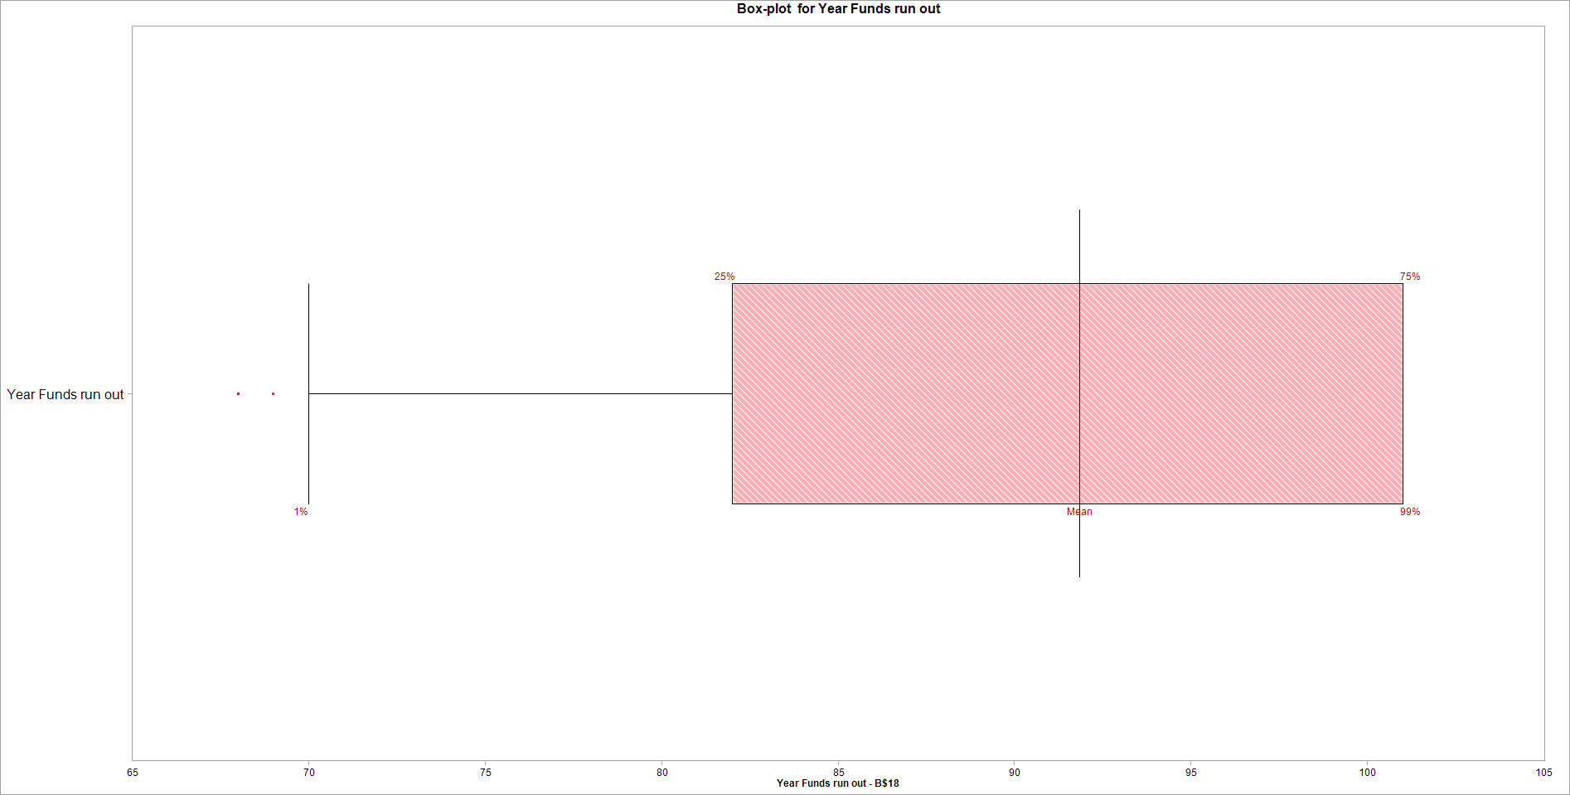
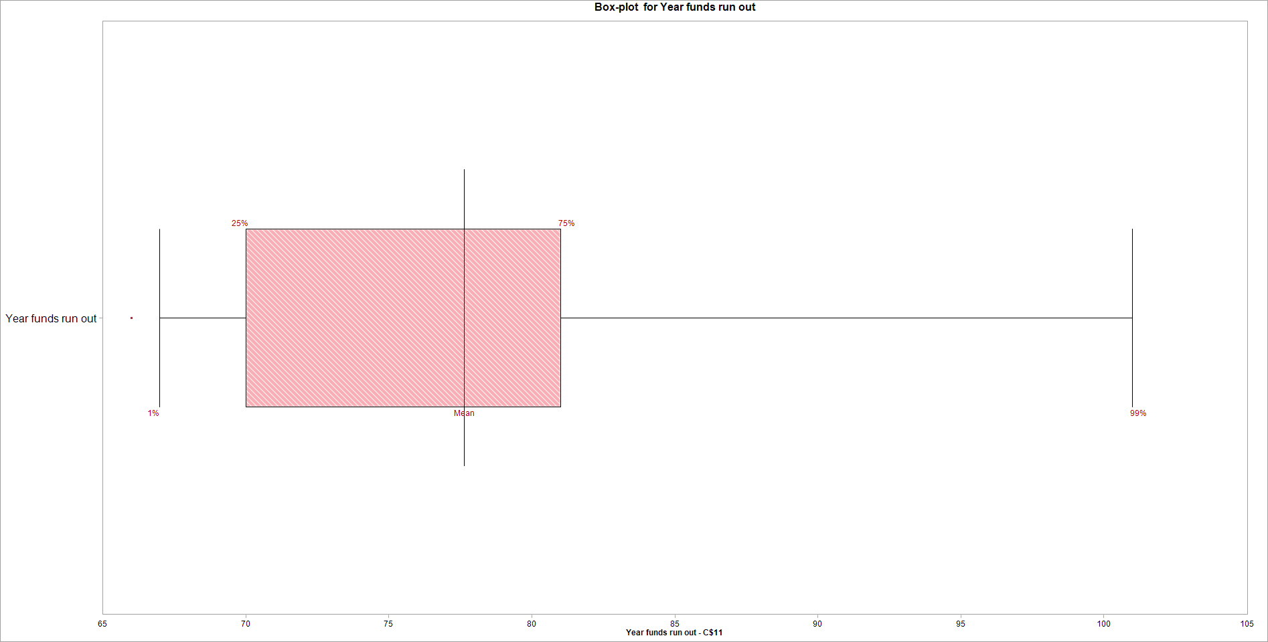
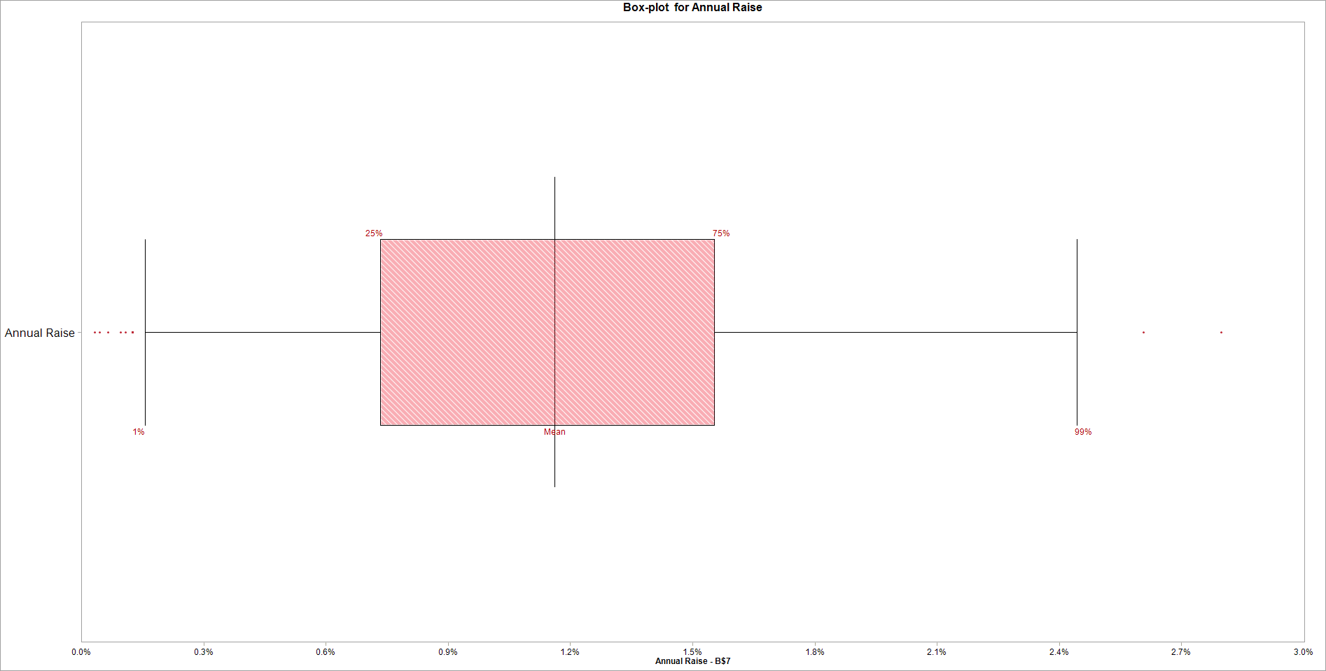
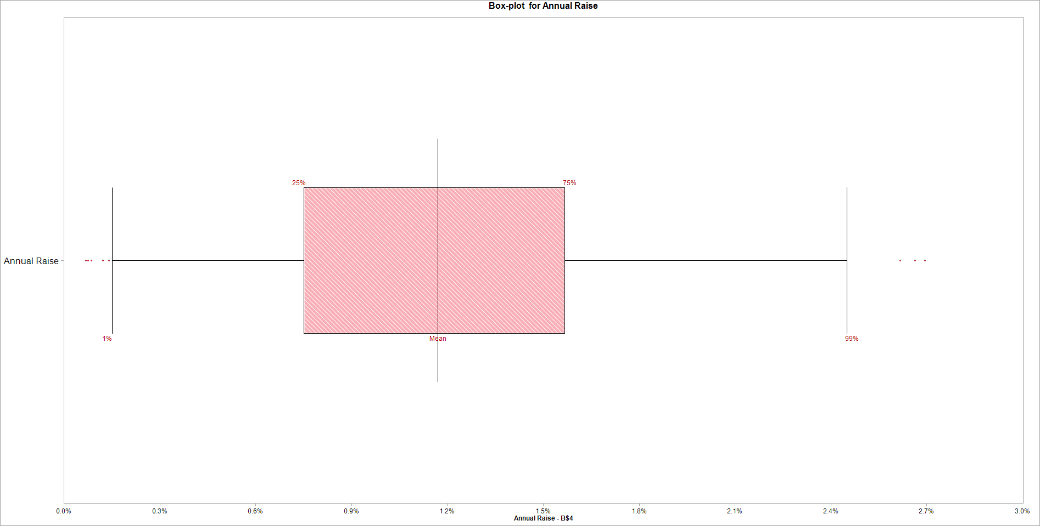
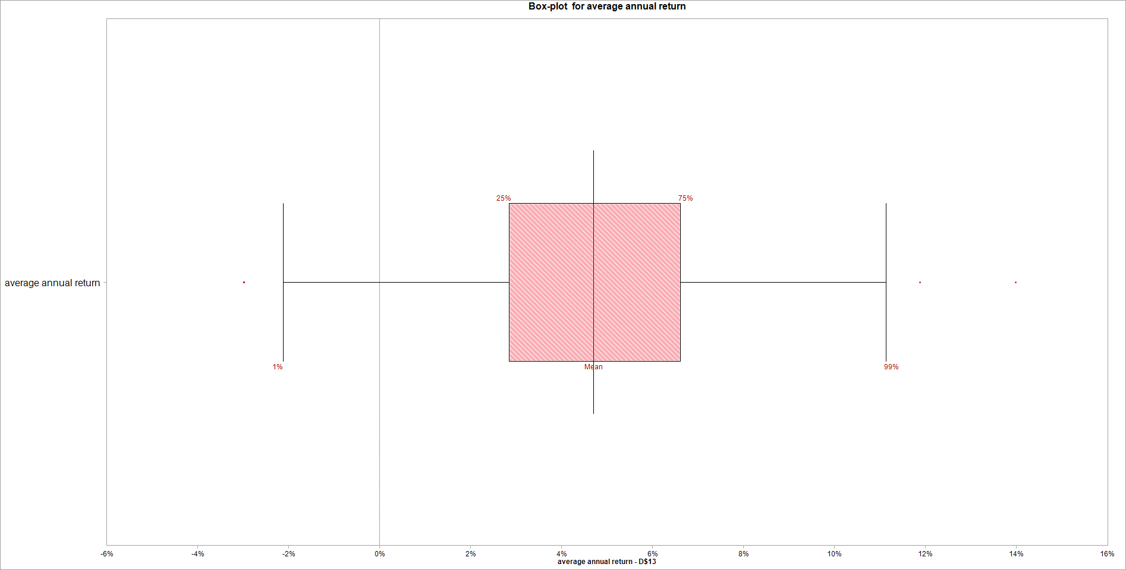
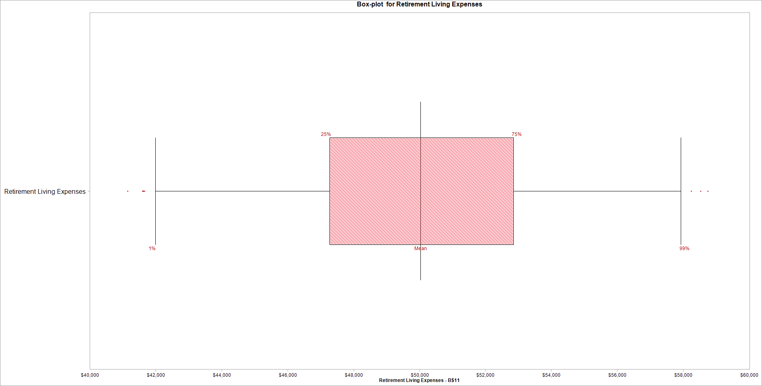


Variable Name | 1. Year Funds run out | Variable Name | 1. Year funds run out | Variable Name | 1. Annual Raise | Variable Name | 1. Annual Raise | Variable Name | 1. average annual return | Variable Name | 1. Retirement Living Expenses | Variable Name | 1. Retirement Living Expenses
Location | [Book1]Answer1 Model'!B$18 | Location | [Retirement2.xlsx]Sheet1'!C$11 | Location | [Book1]Answer1 Model'!B$7 | Location | [Retirement2.xlsx]Sheet1'!B$4 | Location | [Retirement2.xlsx]Sheet1'!D$13 | Location | [Book1]Answer1 Model'!B$11 | Location | [Retirement2.xlsx]Sheet1'!B$8
Variable Type | Output | Variable Type | Output | Variable Type | Input | Variable Type | Input | Variable Type | Input | Variable Type | Input | Variable Type | Input
Percentile | Cumulative Probability | Percentile | Cumulative Probability | Percentile | Cumulative Probability | Percentile | Cumulative Probability | Percentile | Cumulative Probability | Percentile | Cumulative Probability | Percentile | Cumulative Probability
1.00% | 70 | 1.00% | 67 | 1.00% | 0.0015699374961 | 1.00% | 0.0015112396229 | 1.00% | -0.021170182757 | 1.00% | 41991.7442 | 1.00% | 42074.864
25.00% | 82 | 25.00% | 70 | 25.00% | 0.0073364463241 | 25.00% | 0.0075132133402 | 25.00% | 0.028469739762 | 25.00% | 47270.0754 | 25.00% | 47263.8284
50.00% | 91.8574 | 50.00% | 77.6366 | 50.00% | 0.011611063286 | 50.00% | 0.011706163192 | 50.00% | 0.047010515722 | 50.00% | 50035.895864 | 50.00% | 50062.980091
75.00% | 101 | 75.00% | 81 | 75.00% | 0.015540407103 | 75.00% | 0.015662861876 | 75.00% | 0.06609701873 | 75.00% | 52845.7723 | 75.00% | 52893.5695
99.00% | 101 | 99.00% | 101 | 99.00% | 0.024437812487 | 99.00% | 0.024506206322 | 99.00% | 0.1114299357 | 99.00% | 57930.0778 | 99.00% | 57950.0136

